20240828WED
202408028WED

 | 0 | 202408028WED-001
 |  | Ivetta

 |  | Ivetta: pak aryp pago
 |  | sent on Wednesday, August 28, 2024 08:51

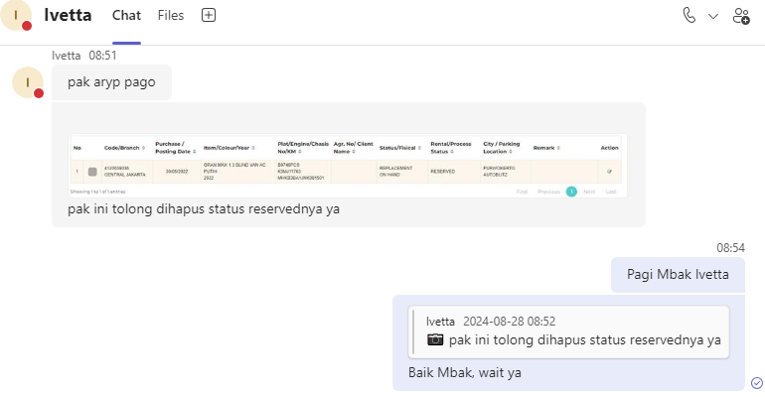

 |  |  |  |  |  | ASSET_CODE
 |  |  |  |  |  | 4120039036

 |  | ASSET_CODE
 |  | 4120039036

 |  | status asset = stock/replacement | IFINAMS.dbo.ASSET.STATUS | stock / replacement
 |  | fisical status = on customer/on hand/cancel | IFINAMS.dbo.ASSET.FISICAL_STATUS | on customer / on hand / cancel
 |  | rental status = in use/reversed | IFINAMS.dbo.ASSET.RENTAL_STATUS | in use / reversed

 |  | select |  |  | select
 |  | b.PLAT_NO, a.CODE, |  |  | b.PLAT_NO, a.CODE,
 |  | b.CHASSIS_NO, b.ENGINE_NO, |  |  | b.CHASSIS_NO, b.ENGINE_NO,
 |  | a.AGREEMENT_NO, a.AGREEMENT_EXTERNAL_NO, |  |  | a.ASSET_NO,
 |  | a.CLIENT_NO, a.CLIENT_NAME, |  |  | a.[RENTAL_STATUS],
 |  | a.ASSET_NO, |  |  | a.[STATUS],
 |  | a.[RENTAL_STATUS], |  |  | a.FISICAL_STATUS,
 |  | a.[STATUS], |  |  | a.RESERVED_BY,
 |  | a.FISICAL_STATUS, |  |  | a.MOD_BY, a.MOD_DATE
 |  | a.RESERVED_BY, |  |  | from IFINAMS.dbo.ASSET a
 |  | c.AGREEMENT_NO, |  |  | join IFINAMS.dbo.ASSET_VEHICLE b
 |  | c.FA_CODE, |  |  | on a.CODE = b.ASSET_CODE
 |  | c.ASSET_NO, |  |  | where a.CODE = '4120039036'
 |  | d.AGREEMENT_STATUS,
 |  | c.FA_REFF_NO_01, |  |  | begin tran;
 |  | c.FA_REFF_NO_02,
 |  | c.FA_REFF_NO_03, |  |  | update IFINAMS.dbo.ASSET
 |  | 1 [1] |  |  | set
 |  | from IFINAMS.dbo.ASSET a |  |  | RENTAL_STATUS = null, -- RESERVED
 |  | join IFINAMS.dbo.ASSET_VEHICLE b |  |  | RESERVED_BY = null, -- null
 |  | on a.CODE = b.ASSET_CODE |  |  | MOD_BY = 'Aryo Budi', -- job
 |  | left join IFINOPL.dbo.AGREEMENT_ASSET c |  |  | MOD_DATE = getdate() -- 2024-08-26 18:29:12.187
 |  | on a.CODE = c.FA_CODE |  |  | where CODE = '4120039036';
 |  | left join IFINOPL.dbo.AGREEMENT_MAIN d
 |  | on c.AGREEMENT_NO = d.AGREEMENT_NO |  |  | rollback tran;
 |  | where b.PLAT_NO in ('B9382UAR') |  |  | --commit tran;
 |  | --and d.AGREEMENT_STATUS = 'GO LIVE'

 |  | select a.*
 |  | from IFINOPL.dbo.AGREEMENT_ASSET a
 |  | where a.AGREEMENT_NO = replace('0002141/4/38/03/2024', '/', '.')
 |  | and a.ASSET_NO = '0000401.4.01.12.2019-13';

 |  | begin tran;

 |  | update IFINAMS.dbo.ASSET
 |  | set
 |  | AGREEMENT_NO = replace('0002141/4/38/03/2024', '/', '.'),
 |  | AGREEMENT_EXTERNAL_NO = '0002141/4/38/03/2024',
 |  | CLIENT_NO = '1000CUST20231200219',
 |  | CLIENT_NAME = 'PUTRA MULIA TELECOMMUNICATION',
 |  | --ASSET_NO = '2010.OPLAA.2403.000024',
 |  | RENTAL_STATUS = 'IN USE', -- RESERVED
 |  | FISICAL_STATUS = 'ON CUSTOMER' -- ON HAND
 |  | where CODE = '4120039743';

 |  | --delete IFINOPL.dbo.AGREEMENT_ASSET
 |  | --where AGREEMENT_NO = replace('0000401/4/01/12/2019', '/', '.')
 |  | --and ASSET_NO = '0000401.4.01.12.2019-13';

 |  | rollback tran;
 |  | --commit tran;

 |  | BEFORE |  |  |  |  | AFTER

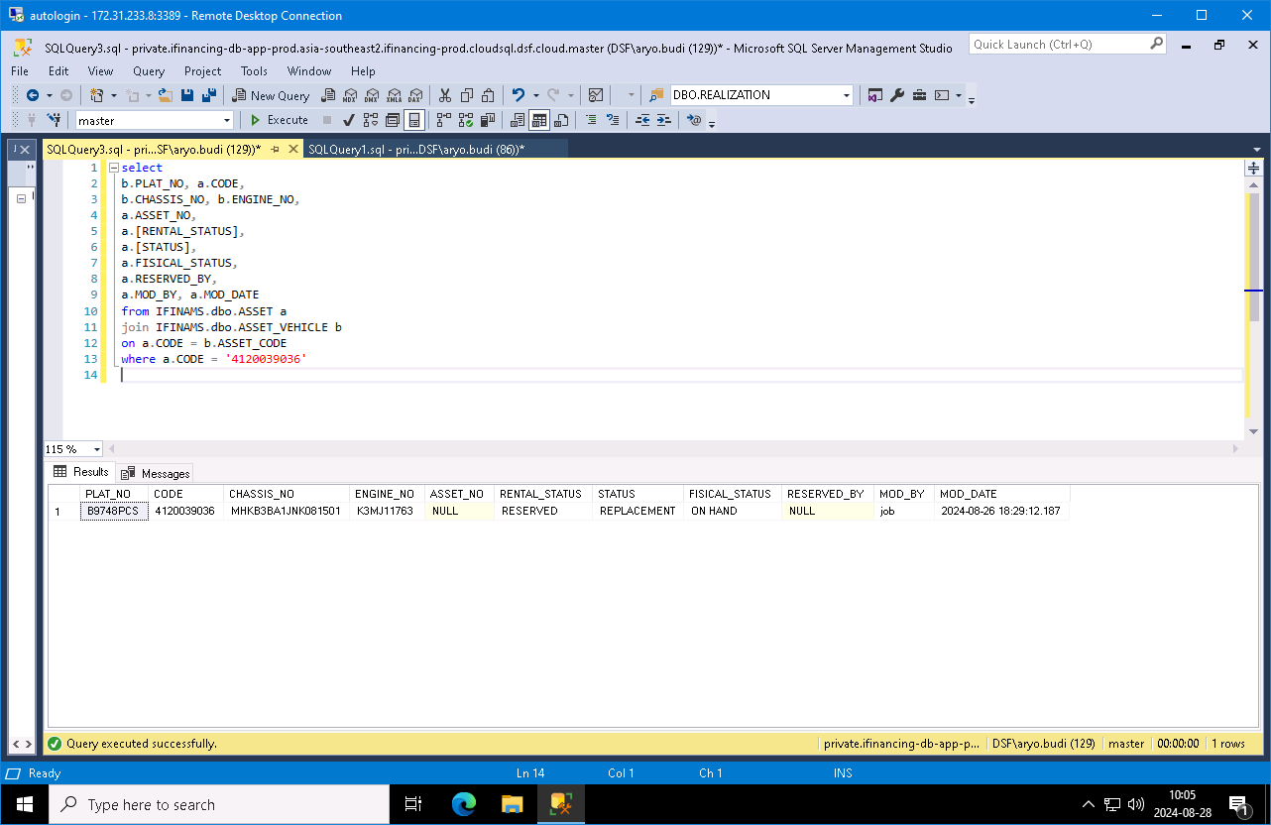


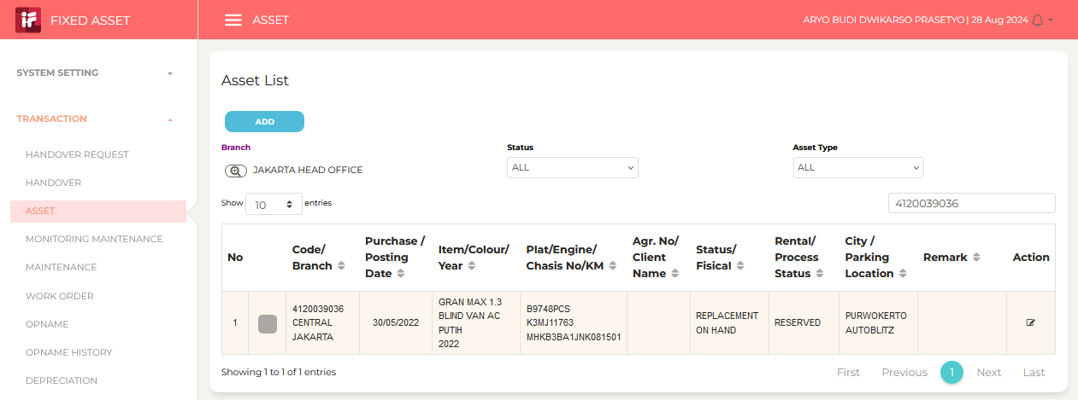
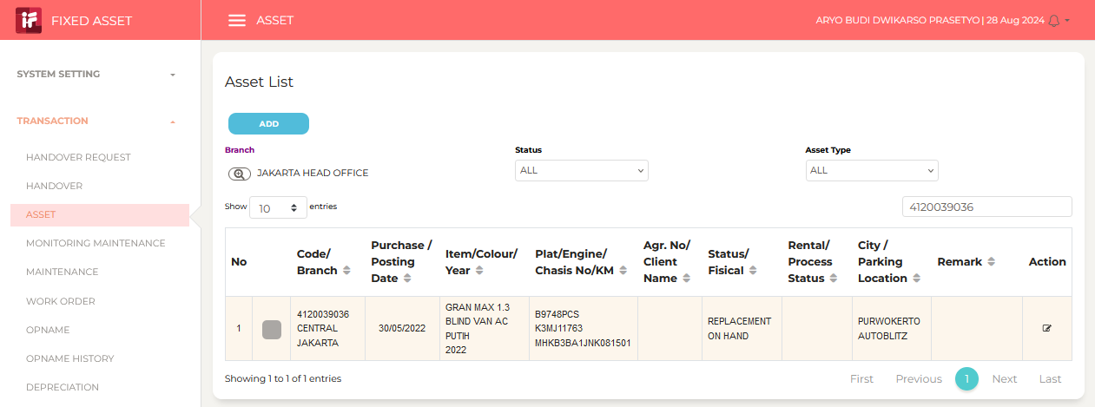

 |  | Aryo Budi Dwikarso Prasetyo (Guest): Done ya Mbak Ivetta
 |  | sent on Wednesday, August 28, 2024 10:13

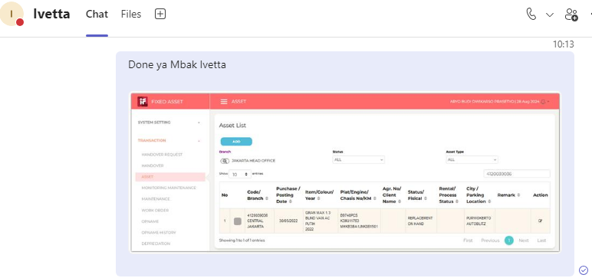

 | 0

20240829THU
202408029THU

 | 0 | 202408029THU-003
 |  | NPWP

 |  | Sabilla Pravita Larrasati (Guest): pak mau minta tlg update NPWP yah pak
 |  | sent on Thursday, August 29, 2024 13:23

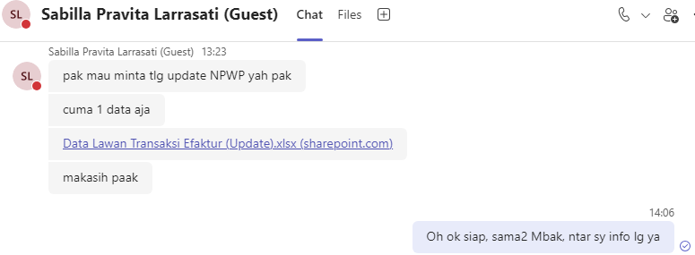

 |  | AGREEMENT_EXTERNAL_NO | BEFORE | AFTER
 |  | 0001443/4/01/07/2023 | PT. MEGA INTER TRANSINDO | PT. MEGA INTER DISTRINDO

 |  | select distinct
 |  | b.AGREEMENT_NO,

 |  | '|' + a.BILLING_TO_NPWP as BILLING_TO_NPWP,
 |  | a.NPWP_NAME,
 |  | a.NPWP_ADDRESS,

 |  | b.BILLING_TO_NPWP_NEW,
 |  | b.NPWP_NAME_NEW,
 |  | B.NPWP_ADDRESS_NEW

 |  | from IFINOPL.dbo.AGREEMENT_ASSET a

 |  | right join (

 |  | select '0001443/4/01/07/2023' AGREEMENT_NO, 'PT. MEGA INTER TRANSINDO' NPWP_NAME_OLD, 'PT. MEGA INTER DISTRINDO' NPWP_NAME_NEW union all

 |  | ) b
 |  | on a.AGREEMENT_NO = replace(b.AGREEMENT_NO, '/', '.')

 |  | order by b.AGREEMENT_NO

 |  | begin tran;

 |  | update IFINOPL.dbo.AGREEMENT_ASSET set NPWP_NAME = 'PT. MEGA INTER DISTRINDO' where AGREEMENT_NO = replace('0001443/4/01/07/2023', '/', '.');

 |  | rollback tran;
 |  | --commit tran;

 |  | BEFORE |  |  | AFTER

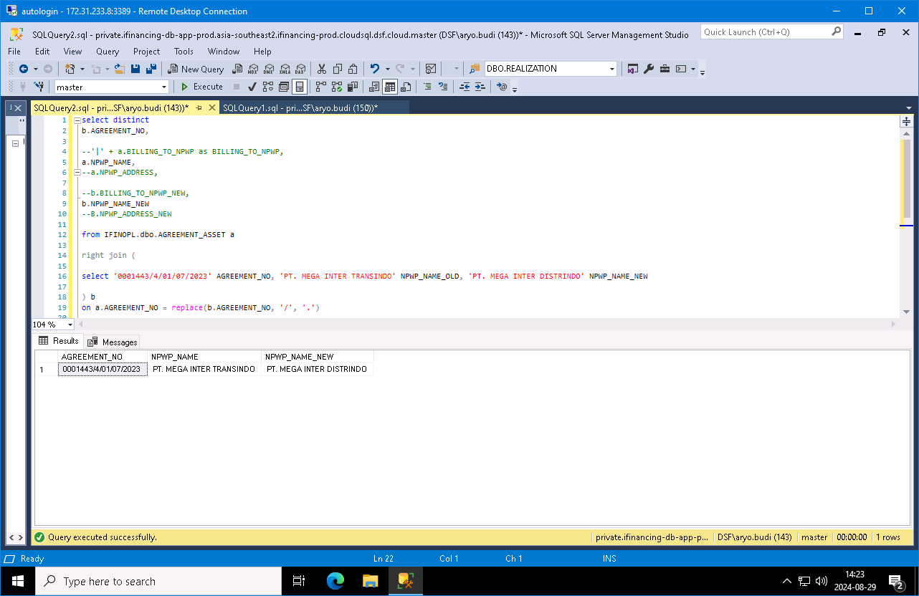
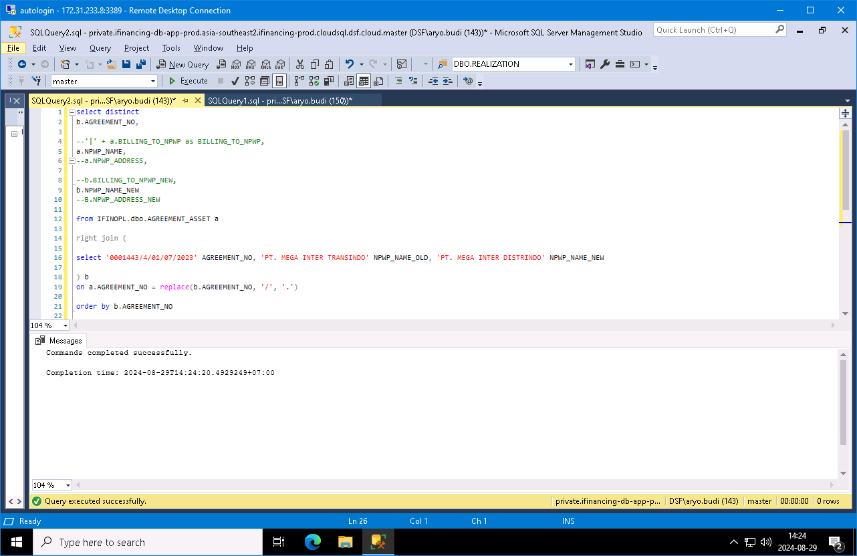

 | 0

20240830FRI
20240830FRI

 | 0 | 202408029THU-002
 |  | m-472903
 |  | Revisi Status Unit B2508UKY pada menu Asset
 |  | Ivetta

 |  | Ivetta: pak aryo pagi
 |  | sent on Thursday, August 29, 2024 08:47

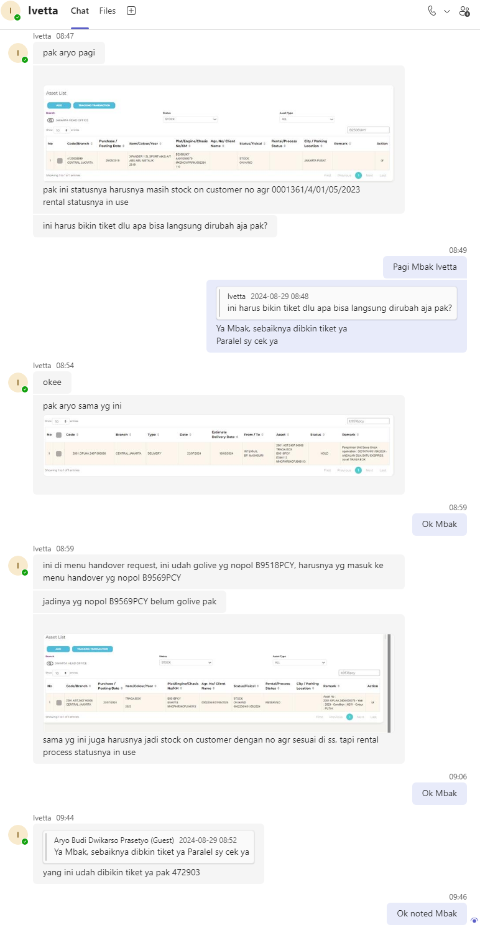

 |  |  |  |  |  |  |  |  |  |  |  |  |  |  |  | AGREEMENT_NO |  |  | MYFORMS
 |  |  |  |  |  |  |  |  |  |  |  |  |  |  |  | 0001361/4/01/05/2023 |  |  | 472903

 |  |  |  |  |  |  |  |  |  |  |  |  |  |  |  | 2001.OLPHA.2407.000058

 |  |  |  |  |  |  |  |  |  |  |  |  |  |  |  | PLAT_NO
 |  |  |  |  |  |  |  |  |  |  |  |  |  |  |  | B9518PCY |  | B9569PCY |  | B9569PCY

 |  | Application:
 |  | iFinancing

 |  | Modul:
 |  | Fixed Asset Management

 |  | Sub Menu:
 |  | Asset

 |  | Detail Request:
 |  | Revisi Status Unit B2508UKY pada menu Asset dengan no agreement, nama customer dan status rental menjadi in use |  |  |  |  |  |  |  |  |  |  |  |  |  | B2508UKY

 |  | Reason for the Request:
 |  | Unit akan di extend bulanan, tetapi sudah otomatis masuk ke menu handover dan status menjadi on hand

 |  | Before:
 |  | AGR : -
 |  | STATUS : STOCK ON HAND
 |  | RENTAL STATUS : -

 |  | After:
 |  | AGR : -
 |  | STATUS : 0001361/4/01/05/2023 |  |  | 0001361/4/01/05/2023
 |  | BORWITA INDAH |  |  | BORWITA INDAH
 |  | RENTAL STATUS : STOCK |  |  | STOCK
 |  | ON CUSTOMER |  |  | ON CUSTOMER
 |  | 0001361/4/01/05/2023

 |  | PLAT_NO
 |  | B2508UKY

 |  | status asset = stock/replacement |  |  |  |  |  | IFINAMS.dbo.ASSET.STATUS |  |  |  |  | stock / replacement
 |  | fisical status = on customer/on hand/cancel |  |  |  |  |  | IFINAMS.dbo.ASSET.FISICAL_STATUS |  |  |  |  | on customer / on hand / cancel
 |  | rental status = in use/reversed |  |  |  |  |  | IFINAMS.dbo.ASSET.RENTAL_STATUS |  |  |  |  | in use / reversed

 |  | select |  |  |  |  |  |  |  |  |  |  |  |  | select
 |  | b.PLAT_NO, a.CODE, |  |  |  |  |  |  |  |  |  |  |  |  | b.PLAT_NO, a.CODE,
 |  | b.CHASSIS_NO, b.ENGINE_NO, |  |  |  |  |  |  |  |  |  |  |  |  | b.CHASSIS_NO, b.ENGINE_NO,
 |  | a.AGREEMENT_NO, a.AGREEMENT_EXTERNAL_NO, |  |  |  |  |  |  |  |  |  |  |  |  | a.ASSET_NO,
 |  | a.CLIENT_NO, a.CLIENT_NAME, |  |  |  |  |  |  |  |  |  |  |  |  | a.[RENTAL_STATUS],
 |  | a.ASSET_NO, |  |  |  |  |  |  |  |  |  |  |  |  | a.[STATUS],
 |  | a.[RENTAL_STATUS], |  |  |  |  |  |  |  |  |  |  |  |  | a.FISICAL_STATUS,
 |  | a.[STATUS], |  |  |  |  |  |  |  |  |  |  |  |  | a.RESERVED_BY,
 |  | a.FISICAL_STATUS, |  |  |  |  |  |  |  |  |  |  |  |  | a.MOD_BY, a.MOD_DATE
 |  | a.RESERVED_BY, |  |  |  |  |  |  |  |  |  |  |  |  | from IFINAMS.dbo.ASSET a
 |  | c.AGREEMENT_NO, |  |  |  |  |  |  |  |  |  |  |  |  | join IFINAMS.dbo.ASSET_VEHICLE b
 |  | c.FA_CODE, |  |  |  |  |  |  |  |  |  |  |  |  | on a.CODE = b.ASSET_CODE
 |  | c.ASSET_NO, |  |  |  |  |  |  |  |  |  |  |  |  | where b.PLAT_NO = 'B2508UKY'
 |  | d.AGREEMENT_STATUS,
 |  | c.FA_REFF_NO_01, |  |  |  |  |  |  |  |  |  |  |  |  | begin tran;
 |  | c.FA_REFF_NO_02,
 |  | c.FA_REFF_NO_03, |  |  |  |  |  |  |  |  |  |  |  |  | update IFINAMS.dbo.ASSET
 |  | 1 [1] |  |  |  |  |  |  |  |  |  |  |  |  | set
 |  | from IFINAMS.dbo.ASSET a |  |  |  |  |  |  |  |  |  |  |  |  | AGREEMENT_NO = null, -- 0000218.4.10.05.2019
 |  | join IFINAMS.dbo.ASSET_VEHICLE b |  |  |  |  |  |  |  |  |  |  |  |  | AGREEMENT_EXTERNAL_NO = null, -- 0000218/4/10/05/2019
 |  | on a.CODE = b.ASSET_CODE |  |  |  |  |  |  |  |  |  |  |  |  | CLIENT_NO = null, -- 1018996
 |  | left join IFINOPL.dbo.AGREEMENT_ASSET c |  |  |  |  |  |  |  |  |  |  |  |  | CLIENT_NAME = null, -- TRANS PACIFIC GLOBAL, PT
 |  | on a.CODE = c.FA_CODE |  |  |  |  |  |  |  |  |  |  |  |  | RENTAL_STATUS = null, -- IN USE
 |  | left join IFINOPL.dbo.AGREEMENT_MAIN d |  |  |  |  |  |  |  |  |  |  |  |  | FISICAL_STATUS = 'ON HAND', -- ON CUSTOMER
 |  | on c.AGREEMENT_NO = d.AGREEMENT_NO |  |  |  |  |  |  |  |  |  |  |  |  | MOD_BY = 'Aryo Budi', -- INJECT_CR2
 |  | where b.PLAT_NO = 'B2508UKY' |  |  |  |  |  |  |  |  |  |  |  |  | MOD_DATE = getdate() -- 2024-08-10 10:41:34.483
 |  | --and d.AGREEMENT_STATUS = 'GO LIVE' |  |  |  |  |  |  |  |  |  |  |  |  | where CODE = '4120034438';

 |  | select a.* |  |  |  |  |  |  |  |  |  |  |  |  | rollback tran;
 |  | from IFINOPL.dbo.AGREEMENT_ASSET a |  |  |  |  |  |  |  |  |  |  |  |  | --commit tran;
 |  | where a.AGREEMENT_NO = replace('0002141/4/38/03/2024', '/', '.')
 |  | and a.ASSET_NO = '0000401.4.01.12.2019-13';

 |  | begin tran;

 |  | update IFINAMS.dbo.ASSET
 |  | set
 |  | AGREEMENT_NO = replace('0001361/4/01/05/2023', '/', '.'),
 |  | AGREEMENT_EXTERNAL_NO = '0001361/4/01/05/2023',
 |  | CLIENT_NO = '1000CUST20220100036',
 |  | CLIENT_NAME = 'BORWITA INDAH',
 |  | RENTAL_STATUS = 'IN USE', -- RESERVED
 |  | FISICAL_STATUS = 'ON CUSTOMER' -- ON HAND
 |  | where CODE = '4120038849';

 |  | rollback tran;
 |  | --commit tran;

 |  | BEFORE |  |  |  |  |  |  |  |  |  |  |  |  |  |  |  |  |  |  | AFTER

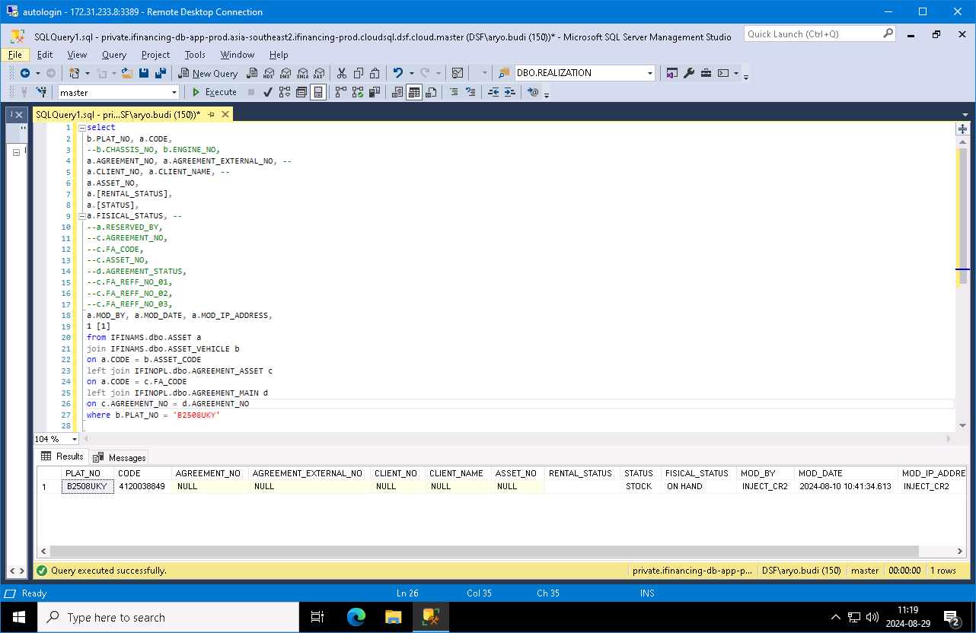
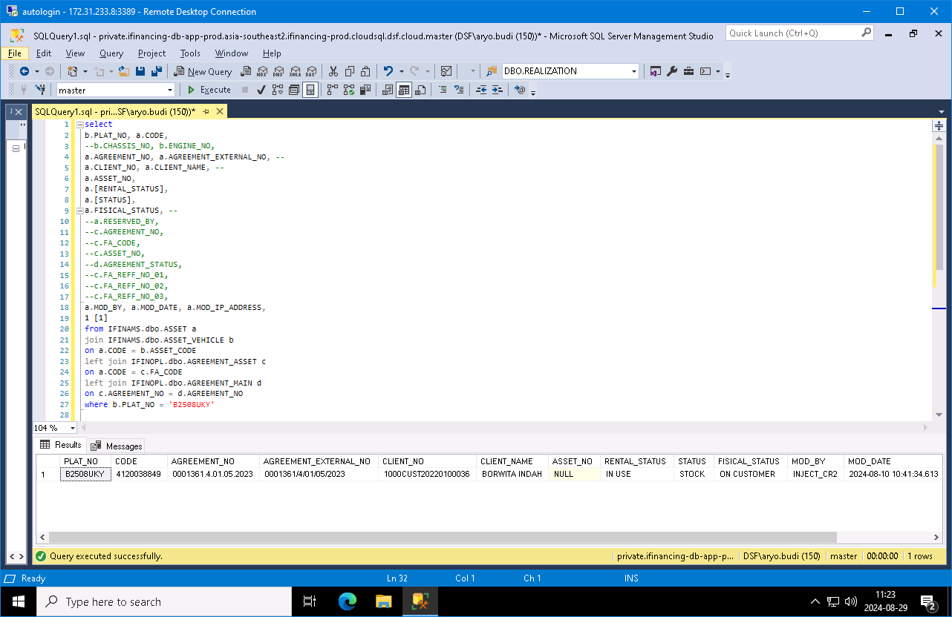

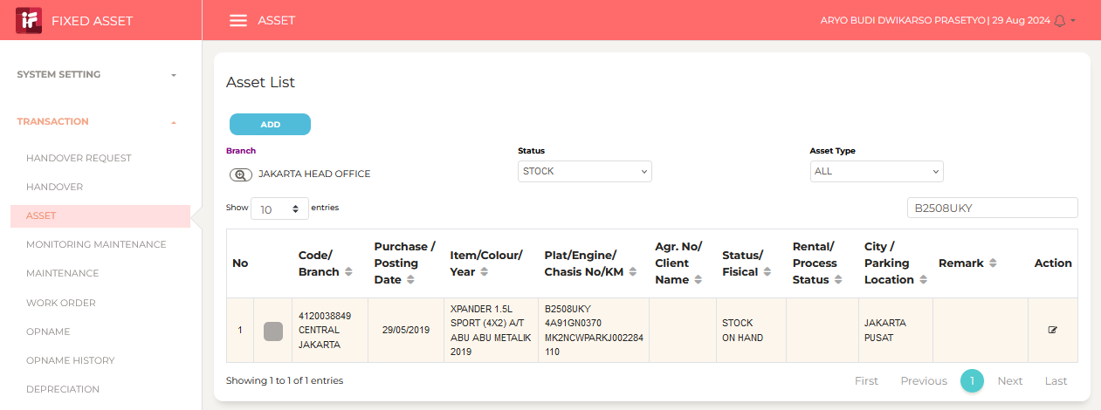
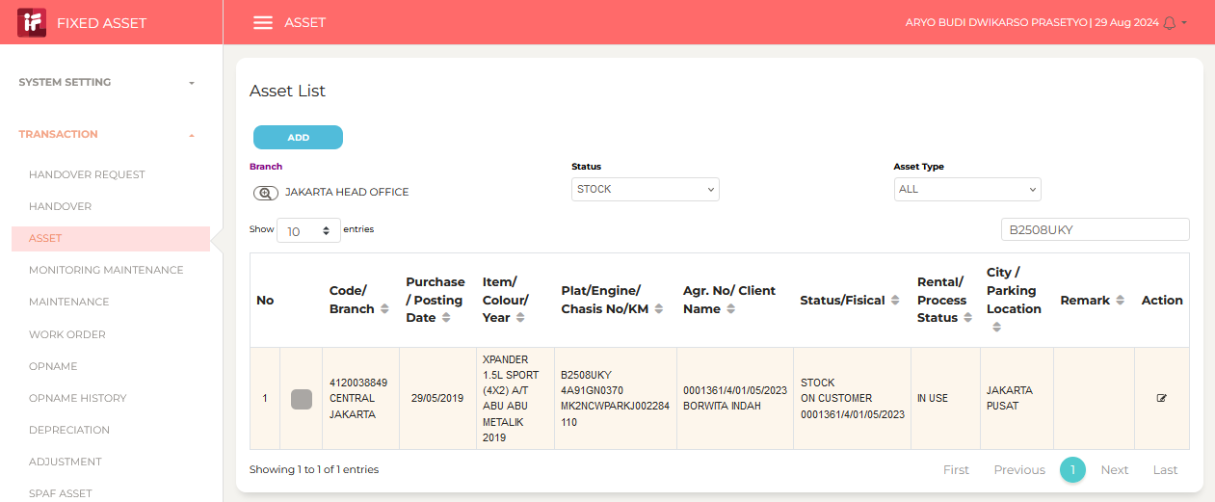

 |  | Aryo Budi Dwikarso Prasetyo (Guest): Mbak Ivetta, tiket 472903 ini sy cek sdg pros...
 |  | sent on Thursday, August 29, 2024 11:29

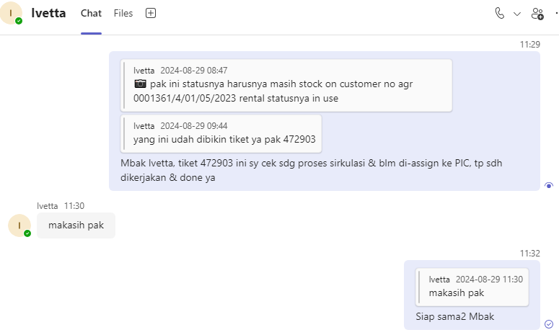

 |  | 20240830FRI

 |  | Wawan Hermawan: Pak Aryo Budi Dwikarso Prasetyo (Guest) Mohon dibantu 472903 Pak,...
 |  | sent on Friday, August 30, 2024 13:46

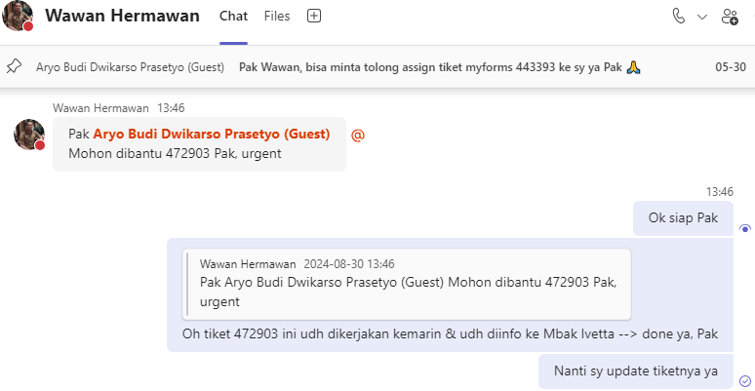

 | 0 | 202408029THU-005
 |  | f-2326007
 |  | RV Amount Tidak Sesuai Aplikasi no 0001968/4/08/06/2024
 |  | Ignatius Agung Dwi Nugroho
 |  | ignatius.nugroho@dipostar.com

 |  | RV Amount Tidak Sesuai Aplikasi no 0001968/4/08/06/2024

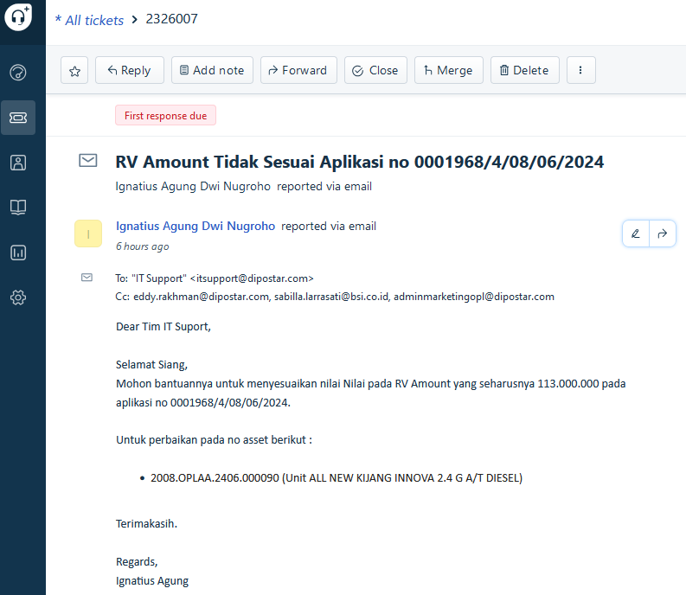

 |  | 20240829THU

 |  | APPLICATION_NO |  | ASSET_NO
 |  | 0001968/4/08/06/2024 |  | 2008.OPLAA.2406.000090 |  |  |  |  | 113,000,000

 |  | select
 |  | a.ASSET_RV_PCT,
 |  | a.ASSET_RV_AMOUNT,
 |  | a.MOD_BY, a.MOD_DATE, a.MOD_IP_ADDRESS
 |  | from IFINOPL.dbo.APPLICATION_ASSET a
 |  | where a.APPLICATION_NO = replace('0001968/4/08/06/2024', '/', '.')
 |  | and a.ASSET_NO in (
 |  | '2008.OPLAA.2406.000090',
 |  | );

 |  | begin tran;

 |  | update IFINOPL.dbo.APPLICATION_ASSET
 |  | set
 |  | --ASSET_RV_PCT = 31.608113, -- 31.608113
 |  | ASSET_RV_AMOUNT = 113000000, -- 113000000.89
 |  | MOD_BY = 'Aryo Budi', -- A3502
 |  | MOD_DATE = getdate(), -- 2024-06-19 08:44:59.883
 |  | MOD_IP_ADDRESS = 'F-2326007' -- 35.191.51.69
 |  | where APPLICATION_NO = replace('0001968/4/08/06/2024', '/', '.')
 |  | and ASSET_NO in (
 |  | '2008.OPLAA.2406.000090',
 |  | );

 |  | rollback tran;
 |  | --commit tran;

 |  | BEFORE |  |  |  |  |  |  |  |  |  |  |  |  |  |  |  |  |  |  |  | AFTER

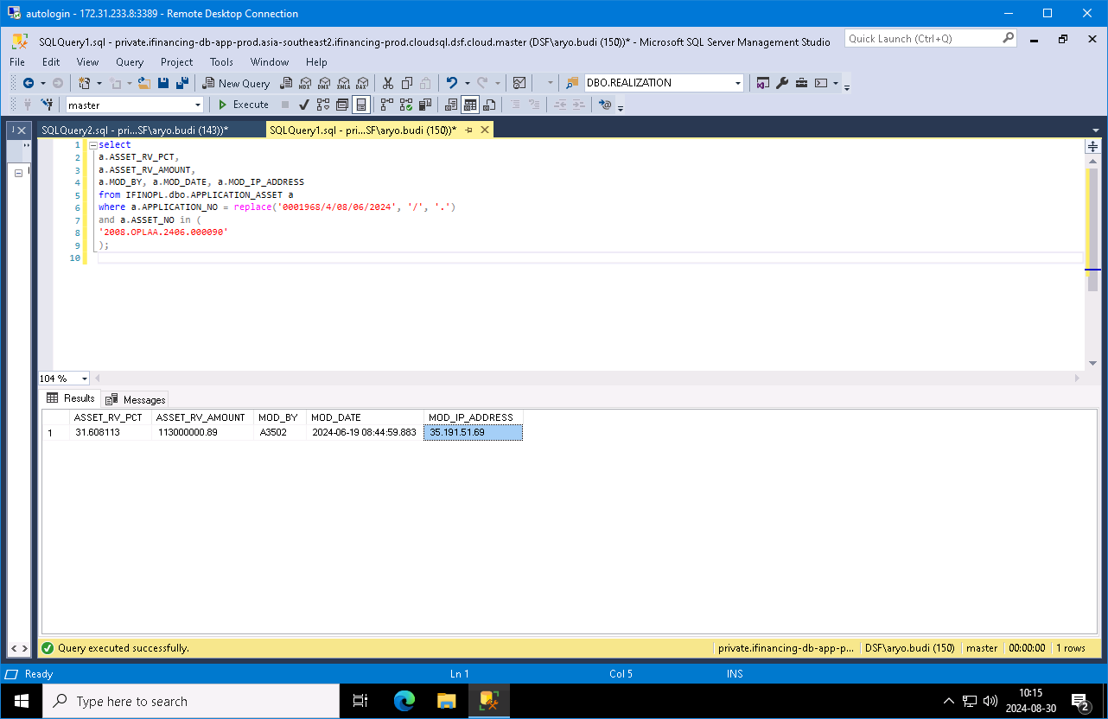
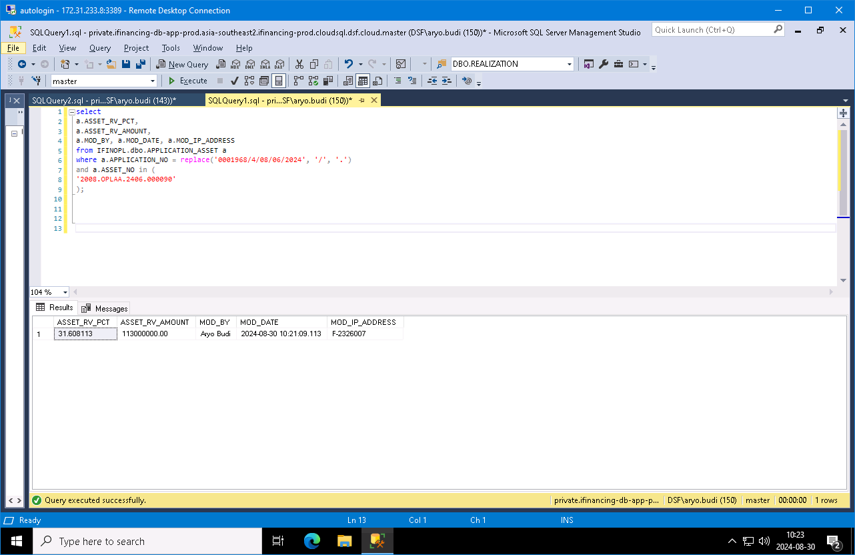

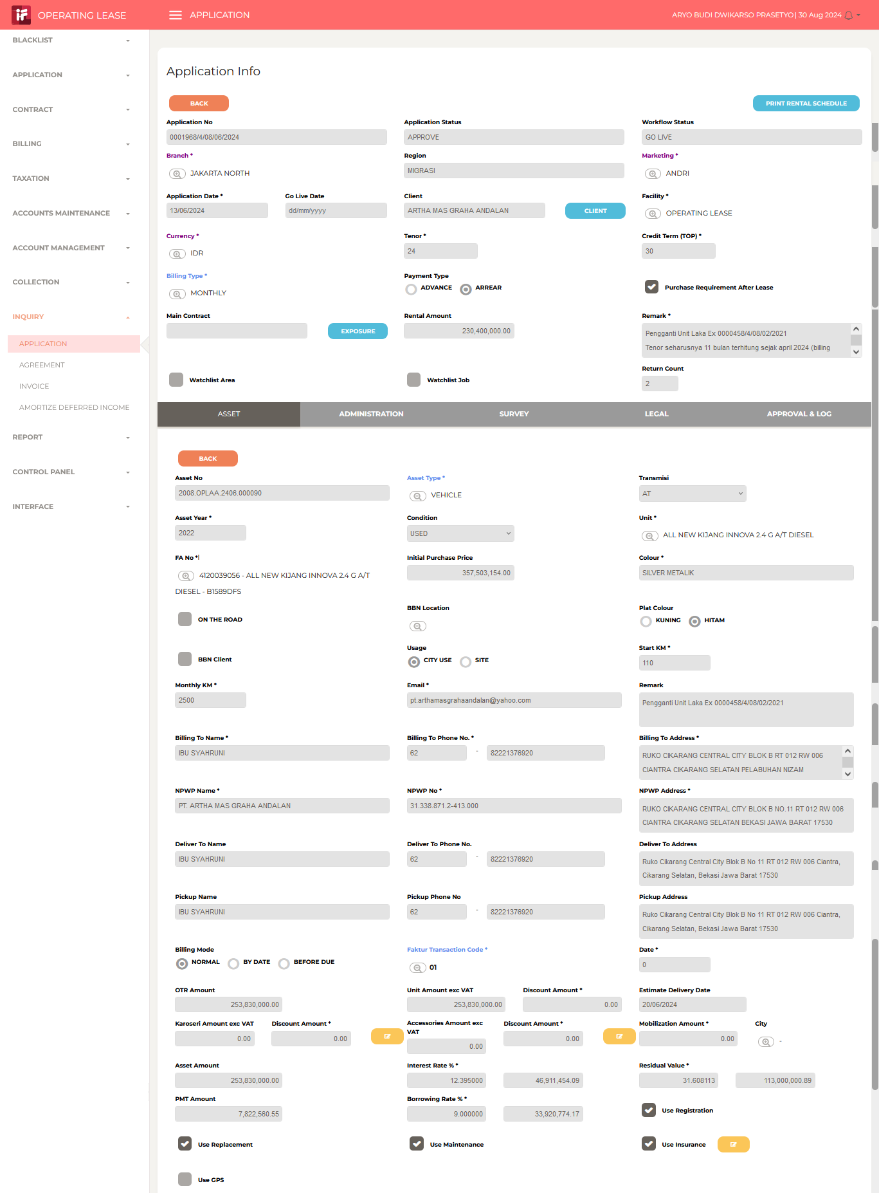
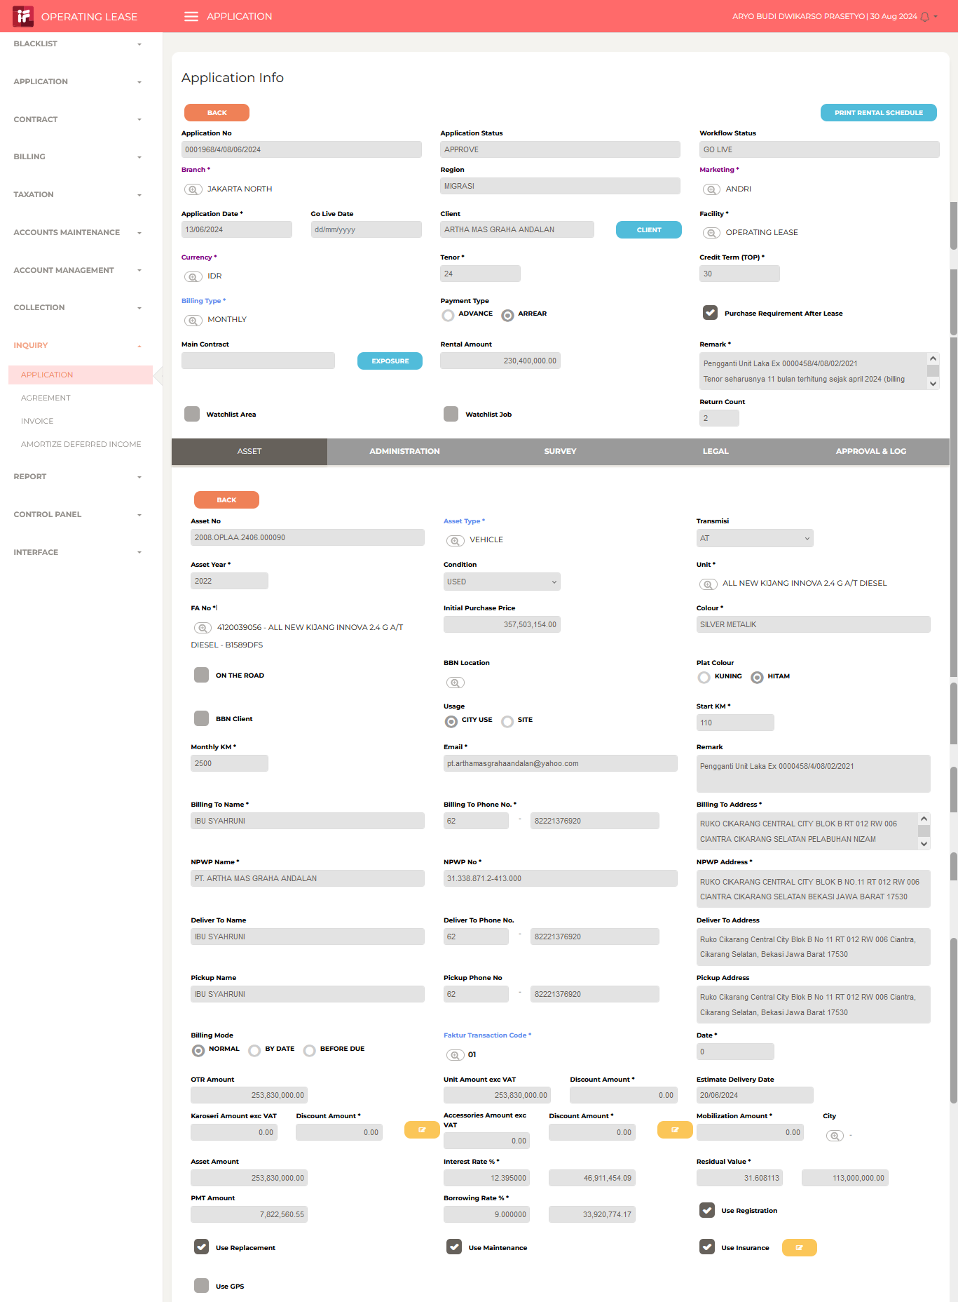

 |  | Aryo Prasetyo: Siang Pak Ignatius, tiket freshdesk 2326007 --> RV Amount Tidak ...
 |  | sent on August 30, 2024 10:24 AM

 | 0 | 20240830FRI-001
 |  | NPWP

 |  | Sabilla Pravita Larrasati (Guest): pak yang NPWP udah bisa mulai dikerjain yah pak...
 |  | sent on Friday, August 30, 2024 13:40

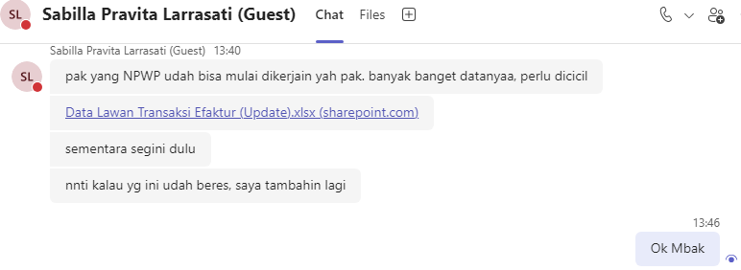

 |  | AGREEMENT_EXTERNAL_NO |  | BEFORE |  |  |  |  |  | AFTER
 |  | 0002568/4/38/07/2024 |  | |CIPTAJAYA SEJAHTERA ABADI |  |  |  |  |  | |PT. CIPTAJAYA SEJAHTERA ABADI |  |  |  | select '0002568/4/38/07/2024' AGREEMENT_NO, 'CIPTAJAYA SEJAHTERA ABADI' NPWP_NAME_OLD, 'PT. CIPTAJAYA SEJAHTERA ABADI' NPWP_NAME_NEW union all
 |  | 0002467/4/08/06/2024 |  | |242667983415000 |  |  |  |  |  | |PT. CS2 POLA SEHAT |  |  |  | select '0002467/4/08/06/2024' AGREEMENT_NO, '242667983415000' NPWP_NAME_OLD, 'PT. CS2 POLA SEHAT' NPWP_NAME_NEW union all
 |  | 0002458/4/08/06/2024 |  | |JASO ANAK GUBALO TRANSPORTASI |  |  |  |  |  | |PT. JASO ANAK GUBALO TRANSPORTASI |  |  |  | select '0002458/4/08/06/2024' AGREEMENT_NO, 'JASO ANAK GUBALO TRANSPORTASI' NPWP_NAME_OLD, 'PT. JASO ANAK GUBALO TRANSPORTASI' NPWP_NAME_NEW union all
 |  | 0002615/4/10/07/2024 |  | |SICEPAT EKSPRES INDONESIA |  |  |  |  |  | |PT. SICEPAT EKSPRES INDONESIA |  |  |  | select '0002615/4/10/07/2024' AGREEMENT_NO, 'SICEPAT EKSPRES INDONESIA' NPWP_NAME_OLD, 'PT. SICEPAT EKSPRES INDONESIA' NPWP_NAME_NEW union all
 |  | 0002492/4/38/06/2024 |  | |STARCOM SOLUSINDO |  |  |  |  |  | |PT. STARCOM SOLUSINDO |  |  |  | select '0002492/4/38/06/2024' AGREEMENT_NO, 'STARCOM SOLUSINDO' NPWP_NAME_OLD, 'PT. STARCOM SOLUSINDO' NPWP_NAME_NEW union all

 |  | 0002467/4/08/06/2024 |  | |024266793415000 |  |  |  |  |  | |0024266793415000 |  |  |  | select '0002467/4/08/06/2024' AGREEMENT_NO, '024266793415000' BILLING_TO_NPWP_OLD, '0024266793415000' BILLING_TO_NPWP_NEW union all
 |  | 0000944/4/01/01/2022 |  | |013401443063000 |  |  |  |  |  | |0013401443063000 |  |  |  | select '0000944/4/01/01/2022' AGREEMENT_NO, '013401443063000' BILLING_TO_NPWP_OLD, '0013401443063000' BILLING_TO_NPWP_NEW union all
 |  | 0002714/4/10/08/2024 |  | |023317159063000 |  |  |  |  |  | |0023317159063000 |  |  |  | select '0002714/4/10/08/2024' AGREEMENT_NO, '023317159063000' BILLING_TO_NPWP_OLD, '0023317159063000' BILLING_TO_NPWP_NEW union all
 |  | 0002615/4/10/07/2024 |  | |716337043451000 |  |  |  |  |  | |0716337043451000 |  |  |  | select '0002615/4/10/07/2024' AGREEMENT_NO, '716337043451000' BILLING_TO_NPWP_OLD, '0716337043451000' BILLING_TO_NPWP_NEW union all
 |  | 0002492/4/38/06/2024 |  | |019350172013000 |  |  |  |  |  | |0019350172013000 |  |  |  | select '0002492/4/38/06/2024' AGREEMENT_NO, '019350172013000' BILLING_TO_NPWP_OLD, '0019350172013000' BILLING_TO_NPWP_NEW union all
 |  | 0002494/4/08/06/2024 |  | |427158514627000 |  |  |  |  |  | |0427158514627000 |  |  |  | select '0002494/4/08/06/2024' AGREEMENT_NO, '427158514627000' BILLING_TO_NPWP_OLD, '0427158514627000' BILLING_TO_NPWP_NEW union all
 |  | 0002418/4/08/06/2024 |  | |023132723004000 |  |  |  |  |  | |0023132723004000 |  |  |  | select '0002418/4/08/06/2024' AGREEMENT_NO, '023132723004000' BILLING_TO_NPWP_OLD, '0023132723004000' BILLING_TO_NPWP_NEW union all
 |  | 0002625/4/08/07/2024 |  | |032204448508000 |  |  |  |  |  | |0032204448508000 |  |  |  | select '0002625/4/08/07/2024' AGREEMENT_NO, '032204448508000' BILLING_TO_NPWP_OLD, '0032204448508000' BILLING_TO_NPWP_NEW union all
 |  | 0002667/4/08/08/2024 |  | |032204448508000 |  |  |  |  |  | |0032204448508000 |  |  |  | select '0002667/4/08/08/2024' AGREEMENT_NO, '032204448508000' BILLING_TO_NPWP_OLD, '0032204448508000' BILLING_TO_NPWP_NEW union all
 |  | 0002458/4/08/06/2024 |  | |613329937044000 |  |  |  |  |  | |0613329937044000 |  |  |  | select '0002458/4/08/06/2024' AGREEMENT_NO, '613329937044000' BILLING_TO_NPWP_OLD, '0613329937044000' BILLING_TO_NPWP_NEW union all
 |  | 0002565/4/38/07/2024 |  | |023546872028000 |  |  |  |  |  | |0023546872028000 |  |  |  | select '0002565/4/38/07/2024' AGREEMENT_NO, '023546872028000' BILLING_TO_NPWP_OLD, '0023546872028000' BILLING_TO_NPWP_NEW union all
 |  | 0001793/4/08/01/2024 |  | |021249131102000 |  |  |  |  |  | |0021249131102000 |  |  |  | select '0001793/4/08/01/2024' AGREEMENT_NO, '021249131102000' BILLING_TO_NPWP_OLD, '0021249131102000' BILLING_TO_NPWP_NEW union all
 |  | 0002164/4/08/04/2024 |  | |654115625413000 |  |  |  |  |  | |0654115625413000 |  |  |  | select '0002164/4/08/04/2024' AGREEMENT_NO, '654115625413000' BILLING_TO_NPWP_OLD, '0654115625413000' BILLING_TO_NPWP_NEW union all
 |  | 0002165/4/08/04/2024 |  | |654115625413000 |  |  |  |  |  | |0654115625413000 |  |  |  | select '0002165/4/08/04/2024' AGREEMENT_NO, '654115625413000' BILLING_TO_NPWP_OLD, '0654115625413000' BILLING_TO_NPWP_NEW union all
 |  | 0001881/4/08/02/2024 |  | |654115625413000 |  |  |  |  |  | |0654115625413000 |  |  |  | select '0001881/4/08/02/2024' AGREEMENT_NO, '654115625413000' BILLING_TO_NPWP_OLD, '0654115625413000' BILLING_TO_NPWP_NEW union all
 |  | 0002606/4/10/07/2024 |  | |013735303007000 |  |  |  |  |  | |0013735303007000 |  |  |  | select '0002606/4/10/07/2024' AGREEMENT_NO, '013735303007000' BILLING_TO_NPWP_OLD, '0013735303007000' BILLING_TO_NPWP_NEW union all
 |  | 0002607/4/10/07/2024 |  | |013735303007000 |  |  |  |  |  | |0013735303007000 |  |  |  | select '0002607/4/10/07/2024' AGREEMENT_NO, '013735303007000' BILLING_TO_NPWP_OLD, '0013735303007000' BILLING_TO_NPWP_NEW union all
 |  | 0002608/4/10/07/2024 |  | |013735303007000 |  |  |  |  |  | |0013735303007000 |  |  |  | select '0002608/4/10/07/2024' AGREEMENT_NO, '013735303007000' BILLING_TO_NPWP_OLD, '0013735303007000' BILLING_TO_NPWP_NEW union all
 |  | 0002611/4/10/07/2024 |  | |013735303007000 |  |  |  |  |  | |0013735303007000 |  |  |  | select '0002611/4/10/07/2024' AGREEMENT_NO, '013735303007000' BILLING_TO_NPWP_OLD, '0013735303007000' BILLING_TO_NPWP_NEW union all
 |  | 0002612/4/10/07/2024 |  | |013735303007000 |  |  |  |  |  | |0013735303007000 |  |  |  | select '0002612/4/10/07/2024' AGREEMENT_NO, '013735303007000' BILLING_TO_NPWP_OLD, '0013735303007000' BILLING_TO_NPWP_NEW union all
 |  | 0002618/4/10/07/2024 |  | |013735303007000 |  |  |  |  |  | |0013735303007000 |  |  |  | select '0002618/4/10/07/2024' AGREEMENT_NO, '013735303007000' BILLING_TO_NPWP_OLD, '0013735303007000' BILLING_TO_NPWP_NEW union all
 |  | 0002622/4/10/07/2024 |  | |013735303007000 |  |  |  |  |  | |0013735303007000 |  |  |  | select '0002622/4/10/07/2024' AGREEMENT_NO, '013735303007000' BILLING_TO_NPWP_OLD, '0013735303007000' BILLING_TO_NPWP_NEW union all
 |  | 0002671/4/10/08/2024 |  | |013735303007000 |  |  |  |  |  | |0013735303007000 |  |  |  | select '0002671/4/10/08/2024' AGREEMENT_NO, '013735303007000' BILLING_TO_NPWP_OLD, '0013735303007000' BILLING_TO_NPWP_NEW union all
 |  | 0002672/4/10/08/2024 |  | |013735303007000 |  |  |  |  |  | |0013735303007000 |  |  |  | select '0002672/4/10/08/2024' AGREEMENT_NO, '013735303007000' BILLING_TO_NPWP_OLD, '0013735303007000' BILLING_TO_NPWP_NEW union all
 |  | 0002631/4/10/07/2024 |  | |010616316092000 |  |  |  |  |  | |0010616316092000 |  |  |  | select '0002631/4/10/07/2024' AGREEMENT_NO, '010616316092000' BILLING_TO_NPWP_OLD, '0010616316092000' BILLING_TO_NPWP_NEW union all
 |  | 0002530/4/08/06/2024 |  | |015550643218000 |  |  |  |  |  | |0015550643218000 |  |  |  | select '0002530/4/08/06/2024' AGREEMENT_NO, '015550643218000' BILLING_TO_NPWP_OLD, '0015550643218000' BILLING_TO_NPWP_NEW union all
 |  | 0002579/4/08/07/2024 |  | |711411736413000 |  |  |  |  |  | |0711411736413000 |  |  |  | select '0002579/4/08/07/2024' AGREEMENT_NO, '711411736413000' BILLING_TO_NPWP_OLD, '0711411736413000' BILLING_TO_NPWP_NEW union all
 |  | 0000775/4/01/06/2021 |  | |316000843036000 |  |  |  |  |  | |0316000843036000 |  |  |  | select '0000775/4/01/06/2021' AGREEMENT_NO, '316000843036000' BILLING_TO_NPWP_OLD, '0316000843036000' BILLING_TO_NPWP_NEW union all
 |  | 0000797/4/01/07/2021 |  | |316000843036000 |  |  |  |  |  | |0316000843036000 |  |  |  | select '0000797/4/01/07/2021' AGREEMENT_NO, '316000843036000' BILLING_TO_NPWP_OLD, '0316000843036000' BILLING_TO_NPWP_NEW union all
 |  | 0000798/4/01/06/2021 |  | |316000843036000 |  |  |  |  |  | |0316000843036000 |  |  |  | select '0000798/4/01/06/2021' AGREEMENT_NO, '316000843036000' BILLING_TO_NPWP_OLD, '0316000843036000' BILLING_TO_NPWP_NEW union all
 |  | 0000799/4/01/06/2021 |  | |316000843036000 |  |  |  |  |  | |0316000843036000 |  |  |  | select '0000799/4/01/06/2021' AGREEMENT_NO, '316000843036000' BILLING_TO_NPWP_OLD, '0316000843036000' BILLING_TO_NPWP_NEW union all
 |  | 0002338/4/01/05/2024 |  | |017080169609000 |  |  |  |  |  | |0017080169609000 |  |  |  | select '0002338/4/01/05/2024' AGREEMENT_NO, '017080169609000' BILLING_TO_NPWP_OLD, '0017080169609000' BILLING_TO_NPWP_NEW union all
 |  | 0002340/4/01/05/2024 |  | |017080169609000 |  |  |  |  |  | |0017080169609000 |  |  |  | select '0002340/4/01/05/2024' AGREEMENT_NO, '017080169609000' BILLING_TO_NPWP_OLD, '0017080169609000' BILLING_TO_NPWP_NEW union all
 |  | 0002341/4/01/05/2024 |  | |017080169609000 |  |  |  |  |  | |0017080169609000 |  |  |  | select '0002341/4/01/05/2024' AGREEMENT_NO, '017080169609000' BILLING_TO_NPWP_OLD, '0017080169609000' BILLING_TO_NPWP_NEW union all
 |  | 0000355/4/10/02/2021 |  | |210661195418000 |  |  |  |  |  | |0210661195418000 |  |  |  | select '0000355/4/10/02/2021' AGREEMENT_NO, '210661195418000' BILLING_TO_NPWP_OLD, '0210661195418000' BILLING_TO_NPWP_NEW union all
 |  | 0000953/4/08/02/2023 |  | |713313591451000 |  |  |  |  |  | |0713313591451000 |  |  |  | select '0000953/4/08/02/2023' AGREEMENT_NO, '713313591451000' BILLING_TO_NPWP_OLD, '0713313591451000' BILLING_TO_NPWP_NEW union all
 |  | 0000013/4/29/05/2022 |  | |921825717627000 |  |  |  |  |  | |0921825717627000 |  |  |  | select '0000013/4/29/05/2022' AGREEMENT_NO, '921825717627000' BILLING_TO_NPWP_OLD, '0921825717627000' BILLING_TO_NPWP_NEW union all
 |  | 0000458/4/08/02/2021 |  | |313388712413000 |  |  |  |  |  | |0313388712413000 |  |  |  | select '0000458/4/08/02/2021' AGREEMENT_NO, '313388712413000' BILLING_TO_NPWP_OLD, '0313388712413000' BILLING_TO_NPWP_NEW union all
 |  | 0001132/4/01/09/2022 |  | |013105663073000 |  |  |  |  |  | |0013105663073000 |  |  |  | select '0001132/4/01/09/2022' AGREEMENT_NO, '013105663073000' BILLING_TO_NPWP_OLD, '0013105663073000' BILLING_TO_NPWP_NEW union all
 |  | 0000237/4/10/07/2019 |  | |021062344046000 |  |  |  |  |  | |0021062344046000 |  |  |  | select '0000237/4/10/07/2019' AGREEMENT_NO, '021062344046000' BILLING_TO_NPWP_OLD, '0021062344046000' BILLING_TO_NPWP_NEW union all
 |  | 0000238/4/10/07/2019 |  | |021062344046000 |  |  |  |  |  | |0021062344046000 |  |  |  | select '0000238/4/10/07/2019' AGREEMENT_NO, '021062344046000' BILLING_TO_NPWP_OLD, '0021062344046000' BILLING_TO_NPWP_NEW union all
 |  | 0000239/4/10/07/2019 |  | |021062344046000 |  |  |  |  |  | |0021062344046000 |  |  |  | select '0000239/4/10/07/2019' AGREEMENT_NO, '021062344046000' BILLING_TO_NPWP_OLD, '0021062344046000' BILLING_TO_NPWP_NEW union all
 |  | 0001081/4/01/07/2022 |  | |016825721641000 |  |  |  |  |  | |0016825721641000 |  |  |  | select '0001081/4/01/07/2022' AGREEMENT_NO, '016825721641000' BILLING_TO_NPWP_OLD, '0016825721641000' BILLING_TO_NPWP_NEW union all
 |  | 0002670/4/10/08/2024 |  | |016825721641000 |  |  |  |  |  | |0016825721641000 |  |  |  | select '0002670/4/10/08/2024' AGREEMENT_NO, '016825721641000' BILLING_TO_NPWP_OLD, '0016825721641000' BILLING_TO_NPWP_NEW union all
 |  | 0002693/4/10/08/2024 |  | |016825721641000 |  |  |  |  |  | |0016825721641000 |  |  |  | select '0002693/4/10/08/2024' AGREEMENT_NO, '016825721641000' BILLING_TO_NPWP_OLD, '0016825721641000' BILLING_TO_NPWP_NEW union all
 |  | 0001019/4/01/04/2022 |  | |011370657605000 |  |  |  |  |  | |0011370657605000 |  |  |  | select '0001019/4/01/04/2022' AGREEMENT_NO, '011370657605000' BILLING_TO_NPWP_OLD, '0011370657605000' BILLING_TO_NPWP_NEW union all
 |  | 0001069/4/01/06/2022 |  | |011370657605000 |  |  |  |  |  | |0011370657605000 |  |  |  | select '0001069/4/01/06/2022' AGREEMENT_NO, '011370657605000' BILLING_TO_NPWP_OLD, '0011370657605000' BILLING_TO_NPWP_NEW union all
 |  | 0001071/4/01/06/2022 |  | |011370657605000 |  |  |  |  |  | |0011370657605000 |  |  |  | select '0001071/4/01/06/2022' AGREEMENT_NO, '011370657605000' BILLING_TO_NPWP_OLD, '0011370657605000' BILLING_TO_NPWP_NEW union all
 |  | 0000005/4/07/07/2021 |  | |769034935216000 |  |  |  |  |  | |0769034935216000 |  |  |  | select '0000005/4/07/07/2021' AGREEMENT_NO, '769034935216000' BILLING_TO_NPWP_OLD, '0769034935216000' BILLING_TO_NPWP_NEW union all
 |  | 0002644/4/10/07/2024 |  | |748186434002000 |  |  |  |  |  | |0748186434002000 |  |  |  | select '0002644/4/10/07/2024' AGREEMENT_NO, '748186434002000' BILLING_TO_NPWP_OLD, '0748186434002000' BILLING_TO_NPWP_NEW union all
 |  | 0002645/4/10/07/2024 |  | |748186434002000 |  |  |  |  |  | |0748186434002000 |  |  |  | select '0002645/4/10/07/2024' AGREEMENT_NO, '748186434002000' BILLING_TO_NPWP_OLD, '0748186434002000' BILLING_TO_NPWP_NEW union all
 |  | 0002668/4/38/08/2024 |  | |016628489007000 |  |  |  |  |  | |0016628489007000 |  |  |  | select '0002668/4/38/08/2024' AGREEMENT_NO, '016628489007000' BILLING_TO_NPWP_OLD, '0016628489007000' BILLING_TO_NPWP_NEW union all
 |  | 0002466/4/08/06/2024 |  | |013040100073000 |  |  |  |  |  | |0013040100073000 |  |  |  | select '0002466/4/08/06/2024' AGREEMENT_NO, '013040100073000' BILLING_TO_NPWP_OLD, '0013040100073000' BILLING_TO_NPWP_NEW union all
 |  | 0001033/4/01/05/2022 |  | |018700237056000 |  |  |  |  |  | |0018700237056000 |  |  |  | select '0001033/4/01/05/2022' AGREEMENT_NO, '018700237056000' BILLING_TO_NPWP_OLD, '0018700237056000' BILLING_TO_NPWP_NEW union all
 |  | 0002528/4/10/06/2024 |  | |010715647055000 |  |  |  |  |  | |0010715647055000 |  |  |  | select '0002528/4/10/06/2024' AGREEMENT_NO, '010715647055000' BILLING_TO_NPWP_OLD, '0010715647055000' BILLING_TO_NPWP_NEW union all
 |  | 0002529/4/10/06/2024 |  | |010715647055000 |  |  |  |  |  | |0010715647055000 |  |  |  | select '0002529/4/10/06/2024' AGREEMENT_NO, '010715647055000' BILLING_TO_NPWP_OLD, '0010715647055000' BILLING_TO_NPWP_NEW union all
 |  | 0001095/4/01/07/2022 |  | |024147027056000 |  |  |  |  |  | |0024147027056000 |  |  |  | select '0001095/4/01/07/2022' AGREEMENT_NO, '024147027056000' BILLING_TO_NPWP_OLD, '0024147027056000' BILLING_TO_NPWP_NEW union all
 |  | 0001097/4/01/07/2022 |  | |024147027056000 |  |  |  |  |  | |0024147027056000 |  |  |  | select '0001097/4/01/07/2022' AGREEMENT_NO, '024147027056000' BILLING_TO_NPWP_OLD, '0024147027056000' BILLING_TO_NPWP_NEW union all
 |  | 0002665/4/10/07/2024 |  | |019577758058000 |  |  |  |  |  | |0019577758058000 |  |  |  | select '0002665/4/10/07/2024' AGREEMENT_NO, '019577758058000' BILLING_TO_NPWP_OLD, '0019577758058000' BILLING_TO_NPWP_NEW union all
 |  | 0002666/4/10/07/2024 |  | |019577758058000 |  |  |  |  |  | |0019577758058000 |  |  |  | select '0002666/4/10/07/2024' AGREEMENT_NO, '019577758058000' BILLING_TO_NPWP_OLD, '0019577758058000' BILLING_TO_NPWP_NEW union all
 |  | 0002695/4/10/08/2024 |  | |019577758058000 |  |  |  |  |  | |0019577758058000 |  |  |  | select '0002695/4/10/08/2024' AGREEMENT_NO, '019577758058000' BILLING_TO_NPWP_OLD, '0019577758058000' BILLING_TO_NPWP_NEW union all
 |  | 0002696/4/10/08/2024 |  | |019577758058000 |  |  |  |  |  | |0019577758058000 |  |  |  | select '0002696/4/10/08/2024' AGREEMENT_NO, '019577758058000' BILLING_TO_NPWP_OLD, '0019577758058000' BILLING_TO_NPWP_NEW union all
 |  | 0002697/4/10/08/2024 |  | |019577758058000 |  |  |  |  |  | |0019577758058000 |  |  |  | select '0002697/4/10/08/2024' AGREEMENT_NO, '019577758058000' BILLING_TO_NPWP_OLD, '0019577758058000' BILLING_TO_NPWP_NEW union all
 |  | 0002698/4/10/08/2024 |  | |019577758058000 |  |  |  |  |  | |0019577758058000 |  |  |  | select '0002698/4/10/08/2024' AGREEMENT_NO, '019577758058000' BILLING_TO_NPWP_OLD, '0019577758058000' BILLING_TO_NPWP_NEW union all
 |  | 0001211/4/08/10/2023 |  | |397763541028000 |  |  |  |  |  | |0397763541028000 |  |  |  | select '0001211/4/08/10/2023' AGREEMENT_NO, '397763541028000' BILLING_TO_NPWP_OLD, '0397763541028000' BILLING_TO_NPWP_NEW union all
 |  | 0001564/4/01/11/2023 |  | |026757047004000 |  |  |  |  |  | |0026757047004000 |  |  |  | select '0001564/4/01/11/2023' AGREEMENT_NO, '026757047004000' BILLING_TO_NPWP_OLD, '0026757047004000' BILLING_TO_NPWP_NEW union all
 |  | 0000382/4/08/08/2020 |  | |013315965046000 |  |  |  |  |  | |0013315965046000 |  |  |  | select '0000382/4/08/08/2020' AGREEMENT_NO, '013315965046000' BILLING_TO_NPWP_OLD, '0013315965046000' BILLING_TO_NPWP_NEW union all
 |  | 0002397/4/10/06/2024 |  | |013315965046000 |  |  |  |  |  | |0013315965046000 |  |  |  | select '0002397/4/10/06/2024' AGREEMENT_NO, '013315965046000' BILLING_TO_NPWP_OLD, '0013315965046000' BILLING_TO_NPWP_NEW union all
 |  | 0002578/4/38/07/2024 |  | |010653228005000 |  |  |  |  |  | |0010653228005000 |  |  |  | select '0002578/4/38/07/2024' AGREEMENT_NO, '010653228005000' BILLING_TO_NPWP_OLD, '0010653228005000' BILLING_TO_NPWP_NEW union all

 |  | select distinct
 |  | b.AGREEMENT_NO,

 |  | '|' + a.BILLING_TO_NPWP as BILLING_TO_NPWP,
 |  | a.NPWP_NAME,
 |  | a.NPWP_ADDRESS,

 |  | b.BILLING_TO_NPWP_NEW,
 |  | b.NPWP_NAME_NEW,
 |  | B.NPWP_ADDRESS_NEW

 |  | from IFINOPL.dbo.AGREEMENT_ASSET a

 |  | right join (

 |  | ) b
 |  | on a.AGREEMENT_NO = replace(b.AGREEMENT_NO, '/', '.')

 |  | order by b.AGREEMENT_NO

 |  | AGREEMENT_NO |  | BILLING_TO_NPWP |  |  | NPWP_NAME |  |  |  |  | NPWP_NAME_NEW
 |  | 0002458/4/08/06/2024 |  | | 613329937044000 |  |  | JASO ANAK GUBALO TRANSPORTASI |  |  |  |  | PT. JASO ANAK GUBALO TRANSPORTASI |  |  |  |  | update IFINOPL.dbo.AGREEMENT_ASSET set NPWP_NAME = 'PT. JASO ANAK GUBALO TRANSPORTASI' where AGREEMENT_NO = replace('0002458/4/08/06/2024', '/', '.');
 |  | 0002467/4/08/06/2024 |  | |024266793415000 |  |  | 242667983415000 |  |  |  |  | PT. CS2 POLA SEHAT |  |  |  |  | update IFINOPL.dbo.AGREEMENT_ASSET set NPWP_NAME = 'PT. CS2 POLA SEHAT' where AGREEMENT_NO = replace('0002467/4/08/06/2024', '/', '.');
 |  | 0002492/4/38/06/2024 |  | |019350172013000 |  |  | STARCOM SOLUSINDO |  |  |  |  | PT. STARCOM SOLUSINDO |  |  |  |  | update IFINOPL.dbo.AGREEMENT_ASSET set NPWP_NAME = 'PT. STARCOM SOLUSINDO' where AGREEMENT_NO = replace('0002492/4/38/06/2024', '/', '.');
 |  | 0002568/4/38/07/2024 |  | |0025450305003000 |  |  | CIPTAJAYA SEJAHTERA ABADI |  |  |  |  | PT. CIPTAJAYA SEJAHTERA ABADI |  |  |  |  | update IFINOPL.dbo.AGREEMENT_ASSET set NPWP_NAME = 'PT. CIPTAJAYA SEJAHTERA ABADI' where AGREEMENT_NO = replace('0002568/4/38/07/2024', '/', '.');
 |  | 0002615/4/10/07/2024 |  | |716337043451000 |  |  | SICEPAT EKSPRES INDONESIA |  |  |  |  | PT. SICEPAT EKSPRES INDONESIA |  |  |  |  | update IFINOPL.dbo.AGREEMENT_ASSET set NPWP_NAME = 'PT. SICEPAT EKSPRES INDONESIA' where AGREEMENT_NO = replace('0002615/4/10/07/2024', '/', '.');

 |  | AGREEMENT_NO |  | BILLING_TO_NPWP |  |  | BILLING_TO_NPWP_OLD |  |  |  |  | BILLING_TO_NPWP_NEW
 |  | 0000005/4/07/07/2021 |  | |769034935216000 |  |  | |769034935216000 |  |  |  |  | |0769034935216000 |  |  |  |  | update IFINOPL.dbo.AGREEMENT_ASSET set BILLING_TO_NPWP = '0769034935216000' where AGREEMENT_NO = replace('0000005/4/07/07/2021', '/', '.'); |  |  |  |  |  | replace('0000005/4/07/07/2021', '/', '.'),
 |  | 0000013/4/29/05/2022 |  | |921825717627000 |  |  | |921825717627000 |  |  |  |  | |0921825717627000 |  |  |  |  | update IFINOPL.dbo.AGREEMENT_ASSET set BILLING_TO_NPWP = '0921825717627000' where AGREEMENT_NO = replace('0000013/4/29/05/2022', '/', '.'); |  |  |  |  |  | replace('0000013/4/29/05/2022', '/', '.'),
 |  | 0000237/4/10/07/2019 |  | |021062344046000 |  |  | |021062344046000 |  |  |  |  | |0021062344046000 |  |  |  |  | update IFINOPL.dbo.AGREEMENT_ASSET set BILLING_TO_NPWP = '0021062344046000' where AGREEMENT_NO = replace('0000237/4/10/07/2019', '/', '.'); |  |  |  |  |  | replace('0000237/4/10/07/2019', '/', '.'),
 |  | 0000238/4/10/07/2019 |  | |021062344046000 |  |  | |021062344046000 |  |  |  |  | |0021062344046000 |  |  |  |  | update IFINOPL.dbo.AGREEMENT_ASSET set BILLING_TO_NPWP = '0021062344046000' where AGREEMENT_NO = replace('0000238/4/10/07/2019', '/', '.'); |  |  |  |  |  | replace('0000238/4/10/07/2019', '/', '.'),
 |  | 0000239/4/10/07/2019 |  | |021062344046000 |  |  | |021062344046000 |  |  |  |  | |0021062344046000 |  |  |  |  | update IFINOPL.dbo.AGREEMENT_ASSET set BILLING_TO_NPWP = '0021062344046000' where AGREEMENT_NO = replace('0000239/4/10/07/2019', '/', '.'); |  |  |  |  |  | replace('0000239/4/10/07/2019', '/', '.'),
 |  | 0000355/4/10/02/2021 |  | |210661195418000 |  |  | |210661195418000 |  |  |  |  | |0210661195418000 |  |  |  |  | update IFINOPL.dbo.AGREEMENT_ASSET set BILLING_TO_NPWP = '0210661195418000' where AGREEMENT_NO = replace('0000355/4/10/02/2021', '/', '.'); |  |  |  |  |  | replace('0000355/4/10/02/2021', '/', '.'),
 |  | 0000382/4/08/08/2020 |  | |013315965046000 |  |  | |013315965046000 |  |  |  |  | |0013315965046000 |  |  |  |  | update IFINOPL.dbo.AGREEMENT_ASSET set BILLING_TO_NPWP = '0013315965046000' where AGREEMENT_NO = replace('0000382/4/08/08/2020', '/', '.'); |  |  |  |  |  | replace('0000382/4/08/08/2020', '/', '.'),
 |  | 0000458/4/08/02/2021 |  | |313388712413000 |  |  | |313388712413000 |  |  |  |  | |0313388712413000 |  |  |  |  | update IFINOPL.dbo.AGREEMENT_ASSET set BILLING_TO_NPWP = '0313388712413000' where AGREEMENT_NO = replace('0000458/4/08/02/2021', '/', '.'); |  |  |  |  |  | replace('0000458/4/08/02/2021', '/', '.'),
 |  | 0000775/4/01/06/2021 |  | |316000843036000 |  |  | |316000843036000 |  |  |  |  | |0316000843036000 |  |  |  |  | update IFINOPL.dbo.AGREEMENT_ASSET set BILLING_TO_NPWP = '0316000843036000' where AGREEMENT_NO = replace('0000775/4/01/06/2021', '/', '.'); |  |  |  |  |  | replace('0000775/4/01/06/2021', '/', '.'),
 |  | 0000797/4/01/07/2021 |  | |316000843036000 |  |  | |316000843036000 |  |  |  |  | |0316000843036000 |  |  |  |  | update IFINOPL.dbo.AGREEMENT_ASSET set BILLING_TO_NPWP = '0316000843036000' where AGREEMENT_NO = replace('0000797/4/01/07/2021', '/', '.'); |  |  |  |  |  | replace('0000797/4/01/07/2021', '/', '.'),
 |  | 0000798/4/01/06/2021 |  | |316000843036000 |  |  | |316000843036000 |  |  |  |  | |0316000843036000 |  |  |  |  | update IFINOPL.dbo.AGREEMENT_ASSET set BILLING_TO_NPWP = '0316000843036000' where AGREEMENT_NO = replace('0000798/4/01/06/2021', '/', '.'); |  |  |  |  |  | replace('0000798/4/01/06/2021', '/', '.'),
 |  | 0000799/4/01/06/2021 |  | |316000843036000 |  |  | |316000843036000 |  |  |  |  | |0316000843036000 |  |  |  |  | update IFINOPL.dbo.AGREEMENT_ASSET set BILLING_TO_NPWP = '0316000843036000' where AGREEMENT_NO = replace('0000799/4/01/06/2021', '/', '.'); |  |  |  |  |  | replace('0000799/4/01/06/2021', '/', '.'),
 |  | 0000944/4/01/01/2022 |  | |013401443063000 |  |  | |013401443063000 |  |  |  |  | |0013401443063000 |  |  |  |  | update IFINOPL.dbo.AGREEMENT_ASSET set BILLING_TO_NPWP = '0013401443063000' where AGREEMENT_NO = replace('0000944/4/01/01/2022', '/', '.'); |  |  |  |  |  | replace('0000944/4/01/01/2022', '/', '.'),
 |  | 0000953/4/08/02/2023 |  | |713313591451000 |  |  | |713313591451000 |  |  |  |  | |0713313591451000 |  |  |  |  | update IFINOPL.dbo.AGREEMENT_ASSET set BILLING_TO_NPWP = '0713313591451000' where AGREEMENT_NO = replace('0000953/4/08/02/2023', '/', '.'); |  |  |  |  |  | replace('0000953/4/08/02/2023', '/', '.'),
 |  | 0001019/4/01/04/2022 |  | |011370657605000 |  |  | |011370657605000 |  |  |  |  | |0011370657605000 |  |  |  |  | update IFINOPL.dbo.AGREEMENT_ASSET set BILLING_TO_NPWP = '0011370657605000' where AGREEMENT_NO = replace('0001019/4/01/04/2022', '/', '.'); |  |  |  |  |  | replace('0001019/4/01/04/2022', '/', '.'),
 |  | 0001033/4/01/05/2022 |  | |018700237056000 |  |  | |018700237056000 |  |  |  |  | |0018700237056000 |  |  |  |  | update IFINOPL.dbo.AGREEMENT_ASSET set BILLING_TO_NPWP = '0018700237056000' where AGREEMENT_NO = replace('0001033/4/01/05/2022', '/', '.'); |  |  |  |  |  | replace('0001033/4/01/05/2022', '/', '.'),
 |  | 0001069/4/01/06/2022 |  | |011370657605000 |  |  | |011370657605000 |  |  |  |  | |0011370657605000 |  |  |  |  | update IFINOPL.dbo.AGREEMENT_ASSET set BILLING_TO_NPWP = '0011370657605000' where AGREEMENT_NO = replace('0001069/4/01/06/2022', '/', '.'); |  |  |  |  |  | replace('0001069/4/01/06/2022', '/', '.'),
 |  | 0001071/4/01/06/2022 |  | |011370657605000 |  |  | |011370657605000 |  |  |  |  | |0011370657605000 |  |  |  |  | update IFINOPL.dbo.AGREEMENT_ASSET set BILLING_TO_NPWP = '0011370657605000' where AGREEMENT_NO = replace('0001071/4/01/06/2022', '/', '.'); |  |  |  |  |  | replace('0001071/4/01/06/2022', '/', '.'),
 |  | 0001081/4/01/07/2022 |  | |016825721641000 |  |  | |016825721641000 |  |  |  |  | |0016825721641000 |  |  |  |  | update IFINOPL.dbo.AGREEMENT_ASSET set BILLING_TO_NPWP = '0016825721641000' where AGREEMENT_NO = replace('0001081/4/01/07/2022', '/', '.'); |  |  |  |  |  | replace('0001081/4/01/07/2022', '/', '.'),
 |  | 0001095/4/01/07/2022 |  | |024147027056000 |  |  | |024147027056000 |  |  |  |  | |0024147027056000 |  |  |  |  | update IFINOPL.dbo.AGREEMENT_ASSET set BILLING_TO_NPWP = '0024147027056000' where AGREEMENT_NO = replace('0001095/4/01/07/2022', '/', '.'); |  |  |  |  |  | replace('0001095/4/01/07/2022', '/', '.'),
 |  | 0001097/4/01/07/2022 |  | |024147027056000 |  |  | |024147027056000 |  |  |  |  | |0024147027056000 |  |  |  |  | update IFINOPL.dbo.AGREEMENT_ASSET set BILLING_TO_NPWP = '0024147027056000' where AGREEMENT_NO = replace('0001097/4/01/07/2022', '/', '.'); |  |  |  |  |  | replace('0001097/4/01/07/2022', '/', '.'),
 |  | 0001132/4/01/09/2022 |  | |013105663073000 |  |  | |013105663073000 |  |  |  |  | |0013105663073000 |  |  |  |  | update IFINOPL.dbo.AGREEMENT_ASSET set BILLING_TO_NPWP = '0013105663073000' where AGREEMENT_NO = replace('0001132/4/01/09/2022', '/', '.'); |  |  |  |  |  | replace('0001132/4/01/09/2022', '/', '.'),
 |  | 0001211/4/08/10/2023 |  | |397763541028000 |  |  | |397763541028000 |  |  |  |  | |0397763541028000 |  |  |  |  | update IFINOPL.dbo.AGREEMENT_ASSET set BILLING_TO_NPWP = '0397763541028000' where AGREEMENT_NO = replace('0001211/4/08/10/2023', '/', '.'); |  |  |  |  |  | replace('0001211/4/08/10/2023', '/', '.'),
 |  | 0001564/4/01/11/2023 |  | |026757047004000 |  |  | |026757047004000 |  |  |  |  | |0026757047004000 |  |  |  |  | update IFINOPL.dbo.AGREEMENT_ASSET set BILLING_TO_NPWP = '0026757047004000' where AGREEMENT_NO = replace('0001564/4/01/11/2023', '/', '.'); |  |  |  |  |  | replace('0001564/4/01/11/2023', '/', '.'),
 |  | 0001793/4/08/01/2024 |  | |021249131102000 |  |  | |021249131102000 |  |  |  |  | |0021249131102000 |  |  |  |  | update IFINOPL.dbo.AGREEMENT_ASSET set BILLING_TO_NPWP = '0021249131102000' where AGREEMENT_NO = replace('0001793/4/08/01/2024', '/', '.'); |  |  |  |  |  | replace('0001793/4/08/01/2024', '/', '.'),
 |  | 0001881/4/08/02/2024 |  | |654115625413000 |  |  | |654115625413000 |  |  |  |  | |0654115625413000 |  |  |  |  | update IFINOPL.dbo.AGREEMENT_ASSET set BILLING_TO_NPWP = '0654115625413000' where AGREEMENT_NO = replace('0001881/4/08/02/2024', '/', '.'); |  |  |  |  |  | replace('0001881/4/08/02/2024', '/', '.'),
 |  | 0002164/4/08/04/2024 |  | |654115625413000 |  |  | |654115625413000 |  |  |  |  | |0654115625413000 |  |  |  |  | update IFINOPL.dbo.AGREEMENT_ASSET set BILLING_TO_NPWP = '0654115625413000' where AGREEMENT_NO = replace('0002164/4/08/04/2024', '/', '.'); |  |  |  |  |  | replace('0002164/4/08/04/2024', '/', '.'),
 |  | 0002165/4/08/04/2024 |  | |654115625413000 |  |  | |654115625413000 |  |  |  |  | |0654115625413000 |  |  |  |  | update IFINOPL.dbo.AGREEMENT_ASSET set BILLING_TO_NPWP = '0654115625413000' where AGREEMENT_NO = replace('0002165/4/08/04/2024', '/', '.'); |  |  |  |  |  | replace('0002165/4/08/04/2024', '/', '.'),
 |  | 0002338/4/01/05/2024 |  | |01.708.016.9-609.000 |  |  | |017080169609000 |  |  |  |  | |0017080169609000 |  |  |  |  | update IFINOPL.dbo.AGREEMENT_ASSET set BILLING_TO_NPWP = '0017080169609000' where AGREEMENT_NO = replace('0002338/4/01/05/2024', '/', '.'); |  |  |  |  |  | replace('0002338/4/01/05/2024', '/', '.'),
 |  | 0002340/4/01/05/2024 |  | |01.708.016.9-609.000 |  |  | |017080169609000 |  |  |  |  | |0017080169609000 |  |  |  |  | update IFINOPL.dbo.AGREEMENT_ASSET set BILLING_TO_NPWP = '0017080169609000' where AGREEMENT_NO = replace('0002340/4/01/05/2024', '/', '.'); |  |  |  |  |  | replace('0002340/4/01/05/2024', '/', '.'),
 |  | 0002341/4/01/05/2024 |  | |01.708.016.9-609.000 |  |  | |017080169609000 |  |  |  |  | |0017080169609000 |  |  |  |  | update IFINOPL.dbo.AGREEMENT_ASSET set BILLING_TO_NPWP = '0017080169609000' where AGREEMENT_NO = replace('0002341/4/01/05/2024', '/', '.'); |  |  |  |  |  | replace('0002341/4/01/05/2024', '/', '.'),
 |  | 0002397/4/10/06/2024 |  | |013315965046000 |  |  | |013315965046000 |  |  |  |  | |0013315965046000 |  |  |  |  | update IFINOPL.dbo.AGREEMENT_ASSET set BILLING_TO_NPWP = '0013315965046000' where AGREEMENT_NO = replace('0002397/4/10/06/2024', '/', '.'); |  |  |  |  |  | replace('0002397/4/10/06/2024', '/', '.'),
 |  | 0002418/4/08/06/2024 |  | |023132723004000 |  |  | |023132723004000 |  |  |  |  | |0023132723004000 |  |  |  |  | update IFINOPL.dbo.AGREEMENT_ASSET set BILLING_TO_NPWP = '0023132723004000' where AGREEMENT_NO = replace('0002418/4/08/06/2024', '/', '.'); |  |  |  |  |  | replace('0002418/4/08/06/2024', '/', '.'),
 |  | 0002458/4/08/06/2024 |  | | 613329937044000 |  |  | |613329937044000 |  |  |  |  | |0613329937044000 |  |  |  |  | update IFINOPL.dbo.AGREEMENT_ASSET set BILLING_TO_NPWP = '0613329937044000' where AGREEMENT_NO = replace('0002458/4/08/06/2024', '/', '.'); |  |  |  |  |  | replace('0002458/4/08/06/2024', '/', '.'),
 |  | 0002466/4/08/06/2024 |  | |01.304.010.0-073.000 |  |  | |013040100073000 |  |  |  |  | |0013040100073000 |  |  |  |  | update IFINOPL.dbo.AGREEMENT_ASSET set BILLING_TO_NPWP = '0013040100073000' where AGREEMENT_NO = replace('0002466/4/08/06/2024', '/', '.'); |  |  |  |  |  | replace('0002466/4/08/06/2024', '/', '.'),
 |  | 0002467/4/08/06/2024 |  | |024266793415000 |  |  | |024266793415000 |  |  |  |  | |0024266793415000 |  |  |  |  | update IFINOPL.dbo.AGREEMENT_ASSET set BILLING_TO_NPWP = '0024266793415000' where AGREEMENT_NO = replace('0002467/4/08/06/2024', '/', '.'); |  |  |  |  |  | replace('0002467/4/08/06/2024', '/', '.'),
 |  | 0002492/4/38/06/2024 |  | |019350172013000 |  |  | |019350172013000 |  |  |  |  | |0019350172013000 |  |  |  |  | update IFINOPL.dbo.AGREEMENT_ASSET set BILLING_TO_NPWP = '0019350172013000' where AGREEMENT_NO = replace('0002492/4/38/06/2024', '/', '.'); |  |  |  |  |  | replace('0002492/4/38/06/2024', '/', '.'),
 |  | 0002494/4/08/06/2024 |  | |427158514627000 |  |  | |427158514627000 |  |  |  |  | |0427158514627000 |  |  |  |  | update IFINOPL.dbo.AGREEMENT_ASSET set BILLING_TO_NPWP = '0427158514627000' where AGREEMENT_NO = replace('0002494/4/08/06/2024', '/', '.'); |  |  |  |  |  | replace('0002494/4/08/06/2024', '/', '.'),
 |  | 0002528/4/10/06/2024 |  | |010715647055000 |  |  | |010715647055000 |  |  |  |  | |0010715647055000 |  |  |  |  | update IFINOPL.dbo.AGREEMENT_ASSET set BILLING_TO_NPWP = '0010715647055000' where AGREEMENT_NO = replace('0002528/4/10/06/2024', '/', '.'); |  |  |  |  |  | replace('0002528/4/10/06/2024', '/', '.'),
 |  | 0002529/4/10/06/2024 |  | |010715647055000 |  |  | |010715647055000 |  |  |  |  | |0010715647055000 |  |  |  |  | update IFINOPL.dbo.AGREEMENT_ASSET set BILLING_TO_NPWP = '0010715647055000' where AGREEMENT_NO = replace('0002529/4/10/06/2024', '/', '.'); |  |  |  |  |  | replace('0002529/4/10/06/2024', '/', '.'),
 |  | 0002530/4/08/06/2024 |  | |015550643218000 |  |  | |015550643218000 |  |  |  |  | |0015550643218000 |  |  |  |  | update IFINOPL.dbo.AGREEMENT_ASSET set BILLING_TO_NPWP = '0015550643218000' where AGREEMENT_NO = replace('0002530/4/08/06/2024', '/', '.'); |  |  |  |  |  | replace('0002530/4/08/06/2024', '/', '.'),
 |  | 0002565/4/38/07/2024 |  | |023546872028000 |  |  | |023546872028000 |  |  |  |  | |0023546872028000 |  |  |  |  | update IFINOPL.dbo.AGREEMENT_ASSET set BILLING_TO_NPWP = '0023546872028000' where AGREEMENT_NO = replace('0002565/4/38/07/2024', '/', '.'); |  |  |  |  |  | replace('0002565/4/38/07/2024', '/', '.'),
 |  | 0002578/4/38/07/2024 |  | |01.065.322.8-005.000 |  |  | |010653228005000 |  |  |  |  | |0010653228005000 |  |  |  |  | update IFINOPL.dbo.AGREEMENT_ASSET set BILLING_TO_NPWP = '0010653228005000' where AGREEMENT_NO = replace('0002578/4/38/07/2024', '/', '.'); |  |  |  |  |  | replace('0002578/4/38/07/2024', '/', '.'),
 |  | 0002579/4/08/07/2024 |  | |71.141.173.6-413.000 |  |  | |711411736413000 |  |  |  |  | |0711411736413000 |  |  |  |  | update IFINOPL.dbo.AGREEMENT_ASSET set BILLING_TO_NPWP = '0711411736413000' where AGREEMENT_NO = replace('0002579/4/08/07/2024', '/', '.'); |  |  |  |  |  | replace('0002579/4/08/07/2024', '/', '.'),
 |  | 0002606/4/10/07/2024 |  | |013735303007000 |  |  | |013735303007000 |  |  |  |  | |0013735303007000 |  |  |  |  | update IFINOPL.dbo.AGREEMENT_ASSET set BILLING_TO_NPWP = '0013735303007000' where AGREEMENT_NO = replace('0002606/4/10/07/2024', '/', '.'); |  |  |  |  |  | replace('0002606/4/10/07/2024', '/', '.'),
 |  | 0002607/4/10/07/2024 |  | |013735303007000 |  |  | |013735303007000 |  |  |  |  | |0013735303007000 |  |  |  |  | update IFINOPL.dbo.AGREEMENT_ASSET set BILLING_TO_NPWP = '0013735303007000' where AGREEMENT_NO = replace('0002607/4/10/07/2024', '/', '.'); |  |  |  |  |  | replace('0002607/4/10/07/2024', '/', '.'),
 |  | 0002608/4/10/07/2024 |  | |013735303007000 |  |  | |013735303007000 |  |  |  |  | |0013735303007000 |  |  |  |  | update IFINOPL.dbo.AGREEMENT_ASSET set BILLING_TO_NPWP = '0013735303007000' where AGREEMENT_NO = replace('0002608/4/10/07/2024', '/', '.'); |  |  |  |  |  | replace('0002608/4/10/07/2024', '/', '.'),
 |  | 0002611/4/10/07/2024 |  | |013735303007000 |  |  | |013735303007000 |  |  |  |  | |0013735303007000 |  |  |  |  | update IFINOPL.dbo.AGREEMENT_ASSET set BILLING_TO_NPWP = '0013735303007000' where AGREEMENT_NO = replace('0002611/4/10/07/2024', '/', '.'); |  |  |  |  |  | replace('0002611/4/10/07/2024', '/', '.'),
 |  | 0002612/4/10/07/2024 |  | |013735303007000 |  |  | |013735303007000 |  |  |  |  | |0013735303007000 |  |  |  |  | update IFINOPL.dbo.AGREEMENT_ASSET set BILLING_TO_NPWP = '0013735303007000' where AGREEMENT_NO = replace('0002612/4/10/07/2024', '/', '.'); |  |  |  |  |  | replace('0002612/4/10/07/2024', '/', '.'),
 |  | 0002615/4/10/07/2024 |  | |716337043451000 |  |  | |716337043451000 |  |  |  |  | |0716337043451000 |  |  |  |  | update IFINOPL.dbo.AGREEMENT_ASSET set BILLING_TO_NPWP = '0716337043451000' where AGREEMENT_NO = replace('0002615/4/10/07/2024', '/', '.'); |  |  |  |  |  | replace('0002615/4/10/07/2024', '/', '.'),
 |  | 0002618/4/10/07/2024 |  | |013735303007000 |  |  | |013735303007000 |  |  |  |  | |0013735303007000 |  |  |  |  | update IFINOPL.dbo.AGREEMENT_ASSET set BILLING_TO_NPWP = '0013735303007000' where AGREEMENT_NO = replace('0002618/4/10/07/2024', '/', '.'); |  |  |  |  |  | replace('0002618/4/10/07/2024', '/', '.'),
 |  | 0002622/4/10/07/2024 |  | |013735303007000 |  |  | |013735303007000 |  |  |  |  | |0013735303007000 |  |  |  |  | update IFINOPL.dbo.AGREEMENT_ASSET set BILLING_TO_NPWP = '0013735303007000' where AGREEMENT_NO = replace('0002622/4/10/07/2024', '/', '.'); |  |  |  |  |  | replace('0002622/4/10/07/2024', '/', '.'),
 |  | 0002625/4/08/07/2024 |  | |03.220.444.8-508.000 |  |  | |032204448508000 |  |  |  |  | |0032204448508000 |  |  |  |  | update IFINOPL.dbo.AGREEMENT_ASSET set BILLING_TO_NPWP = '0032204448508000' where AGREEMENT_NO = replace('0002625/4/08/07/2024', '/', '.'); |  |  |  |  |  | replace('0002625/4/08/07/2024', '/', '.'),
 |  | 0002631/4/10/07/2024 |  | |010616316092000 |  |  | |010616316092000 |  |  |  |  | |0010616316092000 |  |  |  |  | update IFINOPL.dbo.AGREEMENT_ASSET set BILLING_TO_NPWP = '0010616316092000' where AGREEMENT_NO = replace('0002631/4/10/07/2024', '/', '.'); |  |  |  |  |  | replace('0002631/4/10/07/2024', '/', '.'),
 |  | 0002644/4/10/07/2024 |  | |74.818.643.4-002.000 |  |  | |748186434002000 |  |  |  |  | |0748186434002000 |  |  |  |  | update IFINOPL.dbo.AGREEMENT_ASSET set BILLING_TO_NPWP = '0748186434002000' where AGREEMENT_NO = replace('0002644/4/10/07/2024', '/', '.'); |  |  |  |  |  | replace('0002644/4/10/07/2024', '/', '.'),
 |  | 0002645/4/10/07/2024 |  | |74.818.643.4-002.000 |  |  | |748186434002000 |  |  |  |  | |0748186434002000 |  |  |  |  | update IFINOPL.dbo.AGREEMENT_ASSET set BILLING_TO_NPWP = '0748186434002000' where AGREEMENT_NO = replace('0002645/4/10/07/2024', '/', '.'); |  |  |  |  |  | replace('0002645/4/10/07/2024', '/', '.'),
 |  | 0002665/4/10/07/2024 |  | |01.957.775.8-058.000 |  |  | |019577758058000 |  |  |  |  | |0019577758058000 |  |  |  |  | update IFINOPL.dbo.AGREEMENT_ASSET set BILLING_TO_NPWP = '0019577758058000' where AGREEMENT_NO = replace('0002665/4/10/07/2024', '/', '.'); |  |  |  |  |  | replace('0002665/4/10/07/2024', '/', '.'),
 |  | 0002666/4/10/07/2024 |  | |01.957.775.8-058.000 |  |  | |019577758058000 |  |  |  |  | |0019577758058000 |  |  |  |  | update IFINOPL.dbo.AGREEMENT_ASSET set BILLING_TO_NPWP = '0019577758058000' where AGREEMENT_NO = replace('0002666/4/10/07/2024', '/', '.'); |  |  |  |  |  | replace('0002666/4/10/07/2024', '/', '.'),
 |  | 0002667/4/08/08/2024 |  | |03.220.444.8-508.000 |  |  | |032204448508000 |  |  |  |  | |0032204448508000 |  |  |  |  | update IFINOPL.dbo.AGREEMENT_ASSET set BILLING_TO_NPWP = '0032204448508000' where AGREEMENT_NO = replace('0002667/4/08/08/2024', '/', '.'); |  |  |  |  |  | replace('0002667/4/08/08/2024', '/', '.'),
 |  | 0002668/4/38/08/2024 |  | |01.662.848.9-007.000 |  |  | |016628489007000 |  |  |  |  | |0016628489007000 |  |  |  |  | update IFINOPL.dbo.AGREEMENT_ASSET set BILLING_TO_NPWP = '0016628489007000' where AGREEMENT_NO = replace('0002668/4/38/08/2024', '/', '.'); |  |  |  |  |  | replace('0002668/4/38/08/2024', '/', '.'),
 |  | 0002670/4/10/08/2024 |  | |01.682.572.1-641.000 |  |  | |016825721641000 |  |  |  |  | |0016825721641000 |  |  |  |  | update IFINOPL.dbo.AGREEMENT_ASSET set BILLING_TO_NPWP = '0016825721641000' where AGREEMENT_NO = replace('0002670/4/10/08/2024', '/', '.'); |  |  |  |  |  | replace('0002670/4/10/08/2024', '/', '.'),
 |  | 0002671/4/10/08/2024 |  | |013735303007000 |  |  | |013735303007000 |  |  |  |  | |0013735303007000 |  |  |  |  | update IFINOPL.dbo.AGREEMENT_ASSET set BILLING_TO_NPWP = '0013735303007000' where AGREEMENT_NO = replace('0002671/4/10/08/2024', '/', '.'); |  |  |  |  |  | replace('0002671/4/10/08/2024', '/', '.'),
 |  | 0002672/4/10/08/2024 |  | |013735303007000 |  |  | |013735303007000 |  |  |  |  | |0013735303007000 |  |  |  |  | update IFINOPL.dbo.AGREEMENT_ASSET set BILLING_TO_NPWP = '0013735303007000' where AGREEMENT_NO = replace('0002672/4/10/08/2024', '/', '.'); |  |  |  |  |  | replace('0002672/4/10/08/2024', '/', '.'),
 |  | 0002693/4/10/08/2024 |  | |01.682.572.1-641.000 |  |  | |016825721641000 |  |  |  |  | |0016825721641000 |  |  |  |  | update IFINOPL.dbo.AGREEMENT_ASSET set BILLING_TO_NPWP = '0016825721641000' where AGREEMENT_NO = replace('0002693/4/10/08/2024', '/', '.'); |  |  |  |  |  | replace('0002693/4/10/08/2024', '/', '.'),
 |  | 0002695/4/10/08/2024 |  | |019577758058000 |  |  | |019577758058000 |  |  |  |  | |0019577758058000 |  |  |  |  | update IFINOPL.dbo.AGREEMENT_ASSET set BILLING_TO_NPWP = '0019577758058000' where AGREEMENT_NO = replace('0002695/4/10/08/2024', '/', '.'); |  |  |  |  |  | replace('0002695/4/10/08/2024', '/', '.'),
 |  | 0002696/4/10/08/2024 |  | |019577758058000 |  |  | |019577758058000 |  |  |  |  | |0019577758058000 |  |  |  |  | update IFINOPL.dbo.AGREEMENT_ASSET set BILLING_TO_NPWP = '0019577758058000' where AGREEMENT_NO = replace('0002696/4/10/08/2024', '/', '.'); |  |  |  |  |  | replace('0002696/4/10/08/2024', '/', '.'),
 |  | 0002697/4/10/08/2024 |  | |019577758058000 |  |  | |019577758058000 |  |  |  |  | |0019577758058000 |  |  |  |  | update IFINOPL.dbo.AGREEMENT_ASSET set BILLING_TO_NPWP = '0019577758058000' where AGREEMENT_NO = replace('0002697/4/10/08/2024', '/', '.'); |  |  |  |  |  | replace('0002697/4/10/08/2024', '/', '.'),
 |  | 0002698/4/10/08/2024 |  | |019577758058000 |  |  | |019577758058000 |  |  |  |  | |0019577758058000 |  |  |  |  | update IFINOPL.dbo.AGREEMENT_ASSET set BILLING_TO_NPWP = '0019577758058000' where AGREEMENT_NO = replace('0002698/4/10/08/2024', '/', '.'); |  |  |  |  |  | replace('0002698/4/10/08/2024', '/', '.'),
 |  | 0002714/4/10/08/2024 |  | |02.331.715.9-063.000 |  |  | |023317159063000 |  |  |  |  | |0023317159063000 |  |  |  |  | update IFINOPL.dbo.AGREEMENT_ASSET set BILLING_TO_NPWP = '0023317159063000' where AGREEMENT_NO = replace('0002714/4/10/08/2024', '/', '.'); |  |  |  |  |  | replace('0002714/4/10/08/2024', '/', '.'),

 |  | select
 |  | xx.AGREEMENT_NO,
 |  | '|' + xx.BILLING_TO_NPWP as BILLING_TO_NPWP,
 |  | '|' + xx.NPWP_NAME as NPWP_NAME,
 |  | '|' + xx.NPWP_NAME_EXISTING as NPWP_NAME_EXISTING

 |  | from
 |  | (
 |  | select distinct
 |  | x.*, y.NPWP_NAME NPWP_NAME_EXISTING
 |  | --x.*, '|' + y.NPWP_NAME NPWP_NAME

 |  | from
 |  | (
 |  | select
 |  | a.AGREEMENT_NO, a.BILLING_TO_NPWP BILLING_TO_NPWP, a.NPWP_NAME NPWP_NAME
 |  | --a.AGREEMENT_NO, '|' + a.BILLING_TO_NPWP BILLING_TO_NPWP, '|' + a.NPWP_NAME NPWP_NAME
 |  | from IFINOPL.dbo.AGREEMENT_ASSET a
 |  | where a.AGREEMENT_NO in (

 |  | replace('0000005/4/07/07/2021', '/', '.'),
 |  | replace('0000013/4/29/05/2022', '/', '.'),
 |  | replace('0000237/4/10/07/2019', '/', '.'),
 |  | replace('0000238/4/10/07/2019', '/', '.'),
 |  | replace('0000239/4/10/07/2019', '/', '.'),
 |  | replace('0000355/4/10/02/2021', '/', '.'),
 |  | replace('0000382/4/08/08/2020', '/', '.'),
 |  | replace('0000458/4/08/02/2021', '/', '.'),
 |  | replace('0000775/4/01/06/2021', '/', '.'),
 |  | replace('0000797/4/01/07/2021', '/', '.'),
 |  | replace('0000798/4/01/06/2021', '/', '.'),
 |  | replace('0000799/4/01/06/2021', '/', '.'),
 |  | replace('0000944/4/01/01/2022', '/', '.'),
 |  | replace('0000953/4/08/02/2023', '/', '.'),
 |  | replace('0001019/4/01/04/2022', '/', '.'),
 |  | replace('0001033/4/01/05/2022', '/', '.'),
 |  | replace('0001069/4/01/06/2022', '/', '.'),
 |  | replace('0001071/4/01/06/2022', '/', '.'),
 |  | replace('0001081/4/01/07/2022', '/', '.'),
 |  | replace('0001095/4/01/07/2022', '/', '.'),
 |  | replace('0001097/4/01/07/2022', '/', '.'),
 |  | replace('0001132/4/01/09/2022', '/', '.'),
 |  | replace('0001211/4/08/10/2023', '/', '.'),
 |  | replace('0001564/4/01/11/2023', '/', '.'),
 |  | replace('0001793/4/08/01/2024', '/', '.'),
 |  | replace('0001881/4/08/02/2024', '/', '.'),
 |  | replace('0002164/4/08/04/2024', '/', '.'),
 |  | replace('0002165/4/08/04/2024', '/', '.'),
 |  | replace('0002338/4/01/05/2024', '/', '.'),
 |  | replace('0002340/4/01/05/2024', '/', '.'),
 |  | replace('0002341/4/01/05/2024', '/', '.'),
 |  | replace('0002397/4/10/06/2024', '/', '.'),
 |  | replace('0002418/4/08/06/2024', '/', '.'),
 |  | replace('0002458/4/08/06/2024', '/', '.'),
 |  | replace('0002466/4/08/06/2024', '/', '.'),
 |  | replace('0002467/4/08/06/2024', '/', '.'),
 |  | replace('0002492/4/38/06/2024', '/', '.'),
 |  | replace('0002494/4/08/06/2024', '/', '.'),
 |  | replace('0002528/4/10/06/2024', '/', '.'),
 |  | replace('0002529/4/10/06/2024', '/', '.'),
 |  | replace('0002530/4/08/06/2024', '/', '.'),
 |  | replace('0002565/4/38/07/2024', '/', '.'),
 |  | replace('0002578/4/38/07/2024', '/', '.'),
 |  | replace('0002579/4/08/07/2024', '/', '.'),
 |  | replace('0002606/4/10/07/2024', '/', '.'),
 |  | replace('0002607/4/10/07/2024', '/', '.'),
 |  | replace('0002608/4/10/07/2024', '/', '.'),
 |  | replace('0002611/4/10/07/2024', '/', '.'),
 |  | replace('0002612/4/10/07/2024', '/', '.'),
 |  | replace('0002615/4/10/07/2024', '/', '.'),
 |  | replace('0002618/4/10/07/2024', '/', '.'),
 |  | replace('0002622/4/10/07/2024', '/', '.'),
 |  | replace('0002625/4/08/07/2024', '/', '.'),
 |  | replace('0002631/4/10/07/2024', '/', '.'),
 |  | replace('0002644/4/10/07/2024', '/', '.'),
 |  | replace('0002645/4/10/07/2024', '/', '.'),
 |  | replace('0002665/4/10/07/2024', '/', '.'),
 |  | replace('0002666/4/10/07/2024', '/', '.'),
 |  | replace('0002667/4/08/08/2024', '/', '.'),
 |  | replace('0002668/4/38/08/2024', '/', '.'),
 |  | replace('0002670/4/10/08/2024', '/', '.'),
 |  | replace('0002671/4/10/08/2024', '/', '.'),
 |  | replace('0002672/4/10/08/2024', '/', '.'),
 |  | replace('0002693/4/10/08/2024', '/', '.'),
 |  | replace('0002695/4/10/08/2024', '/', '.'),
 |  | replace('0002696/4/10/08/2024', '/', '.'),
 |  | replace('0002697/4/10/08/2024', '/', '.'),
 |  | replace('0002698/4/10/08/2024', '/', '.'),
 |  | replace('0002714/4/10/08/2024', '/', '.')

 |  | )
 |  | ) x

 |  | left join IFINOPL.dbo.AGREEMENT_ASSET y
 |  | on x.BILLING_TO_NPWP = y.BILLING_TO_NPWP
 |  | ) xx

 |  | order by '|' + xx.NPWP_NAME_EXISTING

 |  | AGREEMENT_NO | BILLING_TO_NPWP |  |  | NPWP_NAME |  |  |  |  | NPWP_NAME_EXISTING
 |  | 0002631.4.10.07.2024 | |0010616316092000 |  |  | |0010616316092000 |  |  |  |  | |0010616316092000
 |  | 0002578.4.38.07.2024 | |0010653228005000 |  |  | |0010653228005000 |  |  |  |  | |0010653228005000
 |  | 0002529.4.10.06.2024 | |0010715647055000 |  |  | |0010715647055000 |  |  |  |  | |0010715647055000
 |  | 0002528.4.10.06.2024 | |0010715647055000 |  |  | |0010715647055000 |  |  |  |  | |0010715647055000
 |  | 0001019.4.01.04.2022 | |0011370657605000 |  |  | |0011370657605000 |  |  |  |  | |0011370657605000
 |  | 0001069.4.01.06.2022 | |0011370657605000 |  |  | |0011370657605000 |  |  |  |  | |0011370657605000
 |  | 0001071.4.01.06.2022 | |0011370657605000 |  |  | |0011370657605000 |  |  |  |  | |0011370657605000
 |  | 0002466.4.08.06.2024 | |0013040100073000 |  |  | |0013040100073000 |  |  |  |  | |0013040100073000
 |  | 0001132.4.01.09.2022 | |0013105663073000 |  |  | |0013105663073000 |  |  |  |  | |0013105663073000
 |  | 0000382.4.08.08.2020 | |0013315965046000 |  |  | |0013315965046000 |  |  |  |  | |0013315965046000
 |  | 0002397.4.10.06.2024 | |0013315965046000 |  |  | |0013315965046000 |  |  |  |  | |0013315965046000
 |  | 0000944.4.01.01.2022 | |0013401443063000 |  |  | |0013401443063000 |  |  |  |  | |0013401443063000
 |  | 0002606.4.10.07.2024 | |0013735303007000 |  |  | |0013735303007000 |  |  |  |  | |0013735303007000
 |  | 0002607.4.10.07.2024 | |0013735303007000 |  |  | |0013735303007000 |  |  |  |  | |0013735303007000
 |  | 0002608.4.10.07.2024 | |0013735303007000 |  |  | |0013735303007000 |  |  |  |  | |0013735303007000
 |  | 0002611.4.10.07.2024 | |0013735303007000 |  |  | |0013735303007000 |  |  |  |  | |0013735303007000
 |  | 0002612.4.10.07.2024 | |0013735303007000 |  |  | |0013735303007000 |  |  |  |  | |0013735303007000
 |  | 0002618.4.10.07.2024 | |0013735303007000 |  |  | |0013735303007000 |  |  |  |  | |0013735303007000
 |  | 0002622.4.10.07.2024 | |0013735303007000 |  |  | |0013735303007000 |  |  |  |  | |0013735303007000
 |  | 0002671.4.10.08.2024 | |0013735303007000 |  |  | |0013735303007000 |  |  |  |  | |0013735303007000
 |  | 0002672.4.10.08.2024 | |0013735303007000 |  |  | |0013735303007000 |  |  |  |  | |0013735303007000
 |  | 0002530.4.08.06.2024 | |0015550643218000 |  |  | |0015550643218000 |  |  |  |  | |0015550643218000
 |  | 0002668.4.38.08.2024 | |0016628489007000 |  |  | |0016628489007000 |  |  |  |  | |0016628489007000
 |  | 0002693.4.10.08.2024 | |0016825721641000 |  |  | |0016825721641000 |  |  |  |  | |0016825721641000
 |  | 0002670.4.10.08.2024 | |0016825721641000 |  |  | |0016825721641000 |  |  |  |  | |0016825721641000
 |  | 0001081.4.01.07.2022 | |0016825721641000 |  |  | |0016825721641000 |  |  |  |  | |0016825721641000
 |  | 0002338.4.01.05.2024 | |0017080169609000 |  |  | |0017080169609000 |  |  |  |  | |0017080169609000
 |  | 0002340.4.01.05.2024 | |0017080169609000 |  |  | |0017080169609000 |  |  |  |  | |0017080169609000
 |  | 0002341.4.01.05.2024 | |0017080169609000 |  |  | |0017080169609000 |  |  |  |  | |0017080169609000
 |  | 0001033.4.01.05.2022 | |0018700237056000 |  |  | |0018700237056000 |  |  |  |  | |0018700237056000
 |  | 0002492.4.38.06.2024 | |0019350172013000 |  |  | |0019350172013000 |  |  |  |  | |0019350172013000
 |  | 0002665.4.10.07.2024 | |0019577758058000 |  |  | |0019577758058000 |  |  |  |  | |0019577758058000
 |  | 0002666.4.10.07.2024 | |0019577758058000 |  |  | |0019577758058000 |  |  |  |  | |0019577758058000
 |  | 0002695.4.10.08.2024 | |0019577758058000 |  |  | |0019577758058000 |  |  |  |  | |0019577758058000
 |  | 0002696.4.10.08.2024 | |0019577758058000 |  |  | |0019577758058000 |  |  |  |  | |0019577758058000
 |  | 0002697.4.10.08.2024 | |0019577758058000 |  |  | |0019577758058000 |  |  |  |  | |0019577758058000
 |  | 0002698.4.10.08.2024 | |0019577758058000 |  |  | |0019577758058000 |  |  |  |  | |0019577758058000
 |  | 0000239.4.10.07.2019 | |0021062344046000 |  |  | |0021062344046000 |  |  |  |  | |0021062344046000
 |  | 0000237.4.10.07.2019 | |0021062344046000 |  |  | |0021062344046000 |  |  |  |  | |0021062344046000
 |  | 0000238.4.10.07.2019 | |0021062344046000 |  |  | |0021062344046000 |  |  |  |  | |0021062344046000
 |  | 0001793.4.08.01.2024 | |0021249131102000 |  |  | |0021249131102000 |  |  |  |  | |0021249131102000
 |  | 0002418.4.08.06.2024 | |0023132723004000 |  |  | |0023132723004000 |  |  |  |  | |0023132723004000
 |  | 0002714.4.10.08.2024 | |0023317159063000 |  |  | |0023317159063000 |  |  |  |  | |0023317159063000
 |  | 0002565.4.38.07.2024 | |0023546872028000 |  |  | |0023546872028000 |  |  |  |  | |0023546872028000
 |  | 0001097.4.01.07.2022 | |0024147027056000 |  |  | |0024147027056000 |  |  |  |  | |0024147027056000
 |  | 0001095.4.01.07.2022 | |0024147027056000 |  |  | |0024147027056000 |  |  |  |  | |0024147027056000
 |  | 0002467.4.08.06.2024 | |0024266793415000 |  |  | |0024266793415000 |  |  |  |  | |0024266793415000
 |  | 0001564.4.01.11.2023 | |0026757047004000 |  |  | |0026757047004000 |  |  |  |  | |0026757047004000
 |  | 0002667.4.08.08.2024 | |0032204448508000 |  |  | |0032204448508000 |  |  |  |  | |0032204448508000
 |  | 0002625.4.08.07.2024 | |0032204448508000 |  |  | |0032204448508000 |  |  |  |  | |0032204448508000
 |  | 0000355.4.10.02.2021 | |0210661195418000 |  |  | |0210661195418000 |  |  |  |  | |0210661195418000
 |  | 0000458.4.08.02.2021 | |0313388712413000 |  |  | |0313388712413000 |  |  |  |  | |0313388712413000
 |  | 0000775.4.01.06.2021 | |0316000843036000 |  |  | |0316000843036000 |  |  |  |  | |0316000843036000
 |  | 0000797.4.01.07.2021 | |0316000843036000 |  |  | |0316000843036000 |  |  |  |  | |0316000843036000
 |  | 0000798.4.01.06.2021 | |0316000843036000 |  |  | |0316000843036000 |  |  |  |  | |0316000843036000
 |  | 0000799.4.01.06.2021 | |0316000843036000 |  |  | |0316000843036000 |  |  |  |  | |0316000843036000
 |  | 0001211.4.08.10.2023 | |0397763541028000 |  |  | |0397763541028000 |  |  |  |  | |0397763541028000
 |  | 0002494.4.08.06.2024 | |0427158514627000 |  |  | |0427158514627000 |  |  |  |  | |0427158514627000
 |  | 0002458.4.08.06.2024 | |0613329937044000 |  |  | |0613329937044000 |  |  |  |  | |0613329937044000
 |  | 0002165.4.08.04.2024 | |0654115625413000 |  |  | |0654115625413000 |  |  |  |  | |0654115625413000
 |  | 0001881.4.08.02.2024 | |0654115625413000 |  |  | |0654115625413000 |  |  |  |  | |0654115625413000
 |  | 0002164.4.08.04.2024 | |0654115625413000 |  |  | |0654115625413000 |  |  |  |  | |0654115625413000
 |  | 0002579.4.08.07.2024 | |0711411736413000 |  |  | |0711411736413000 |  |  |  |  | |0711411736413000
 |  | 0000953.4.08.02.2023 | |0713313591451000 |  |  | |0713313591451000 |  |  |  |  | |0713313591451000
 |  | 0002615.4.10.07.2024 | |0716337043451000 |  |  | |0716337043451000 |  |  |  |  | |0716337043451000
 |  | 0002644.4.10.07.2024 | |0748186434002000 |  |  | |0748186434002000 |  |  |  |  | |0748186434002000
 |  | 0002645.4.10.07.2024 | |0748186434002000 |  |  | |0748186434002000 |  |  |  |  | |0748186434002000
 |  | 0000005.4.07.07.2021 | |0769034935216000 |  |  | |0769034935216000 |  |  |  |  | |0769034935216000
 |  | 0000013.4.29.05.2022 | |0921825717627000 |  |  | |0921825717627000 |  |  |  |  | |0921825717627000
 |  | 0002494.4.08.06.2024 | |0427158514627000 |  |  | |0427158514627000 |  |  |  |  | |CV ARTHA GEMILANG ANDALAN |  |  |  |  |  | update IFINOPL.dbo.AGREEMENT_ASSET set NPWP_NAME = 'CV ARTHA GEMILANG ANDALAN' where AGREEMENT_NO = '0002494.4.08.06.2024';
 |  | 0002494.4.08.06.2024 | |0427158514627000 |  |  | |0427158514627000 |  |  |  |  | |CV. ARTHA GEMILANG ANDALAN |  |  |  |  |  | update IFINOPL.dbo.AGREEMENT_ASSET set NPWP_NAME = 'CV. ARTHA GEMILANG ANDALAN' where AGREEMENT_NO = '0002494.4.08.06.2024';
 |  | 0002418.4.08.06.2024 | |0023132723004000 |  |  | |0023132723004000 |  |  |  |  | |CV. MARHADI |  |  |  |  |  | update IFINOPL.dbo.AGREEMENT_ASSET set NPWP_NAME = 'CV. MARHADI' where AGREEMENT_NO = '0002418.4.08.06.2024';
 |  | 0002625.4.08.07.2024 | |0032204448508000 |  |  | |0032204448508000 |  |  |  |  | |CV.HASCARYO AUTO BENJAYA |  |  |  |  |  | update IFINOPL.dbo.AGREEMENT_ASSET set NPWP_NAME = 'CV.HASCARYO AUTO BENJAYA' where AGREEMENT_NO = '0002625.4.08.07.2024';
 |  | 0002667.4.08.08.2024 | |0032204448508000 |  |  | |0032204448508000 |  |  |  |  | |CV.HASCARYO AUTO BENJAYA |  |  |  |  |  | update IFINOPL.dbo.AGREEMENT_ASSET set NPWP_NAME = 'CV.HASCARYO AUTO BENJAYA' where AGREEMENT_NO = '0002667.4.08.08.2024';
 |  | 0002714.4.10.08.2024 | |0023317159063000 |  |  | |0023317159063000 |  |  |  |  | |JASA PEGAWAI PT. SWADHARMA SARANA I. KOPERASI |  |  |  |  |  | update IFINOPL.dbo.AGREEMENT_ASSET set NPWP_NAME = 'JASA PEGAWAI PT. SWADHARMA SARANA I. KOPERASI' where AGREEMENT_NO = '0002714.4.10.08.2024';
 |  | 0000944.4.01.01.2022 | |0013401443063000 |  |  | |0013401443063000 |  |  |  |  | |KARYAWAN PT. ASURANSI EKSPOR INDONESIA. KOPERASI |  |  |  |  |  | update IFINOPL.dbo.AGREEMENT_ASSET set NPWP_NAME = 'KARYAWAN PT. ASURANSI EKSPOR INDONESIA. KOPERASI' where AGREEMENT_NO = '0000944.4.01.01.2022';
 |  | 0002565.4.38.07.2024 | |0023546872028000 |  |  | |0023546872028000 |  |  |  |  | |PT ADVANTAGE SCM |  |  |  |  |  | update IFINOPL.dbo.AGREEMENT_ASSET set NPWP_NAME = 'PT ADVANTAGE SCM' where AGREEMENT_NO = '0002565.4.38.07.2024';
 |  | 0002645.4.10.07.2024 | |0748186434002000 |  |  | |0748186434002000 |  |  |  |  | |PT CIPTA KARYA TECHNOLOGY |  |  |  |  |  | update IFINOPL.dbo.AGREEMENT_ASSET set NPWP_NAME = 'PT CIPTA KARYA TECHNOLOGY' where AGREEMENT_NO = '0002645.4.10.07.2024';
 |  | 0002644.4.10.07.2024 | |0748186434002000 |  |  | |0748186434002000 |  |  |  |  | |PT CIPTA KARYA TECHNOLOGY |  |  |  |  |  | update IFINOPL.dbo.AGREEMENT_ASSET set NPWP_NAME = 'PT CIPTA KARYA TECHNOLOGY' where AGREEMENT_NO = '0002644.4.10.07.2024';
 |  | 0001793.4.08.01.2024 | |0021249131102000 |  |  | |0021249131102000 |  |  |  |  | |PT CITRA PASE INDAH |  |  |  |  |  | update IFINOPL.dbo.AGREEMENT_ASSET set NPWP_NAME = 'PT CITRA PASE INDAH' where AGREEMENT_NO = '0001793.4.08.01.2024';
 |  | 0002164.4.08.04.2024 | |0654115625413000 |  |  | |0654115625413000 |  |  |  |  | |PT INDONESIA CAKRAWALA EKSPRES |  |  |  |  |  | update IFINOPL.dbo.AGREEMENT_ASSET set NPWP_NAME = 'PT INDONESIA CAKRAWALA EKSPRES' where AGREEMENT_NO = '0002164.4.08.04.2024';
 |  | 0001881.4.08.02.2024 | |0654115625413000 |  |  | |0654115625413000 |  |  |  |  | |PT INDONESIA CAKRAWALA EKSPRES |  |  |  |  |  | update IFINOPL.dbo.AGREEMENT_ASSET set NPWP_NAME = 'PT INDONESIA CAKRAWALA EKSPRES' where AGREEMENT_NO = '0001881.4.08.02.2024';
 |  | 0002165.4.08.04.2024 | |0654115625413000 |  |  | |0654115625413000 |  |  |  |  | |PT INDONESIA CAKRAWALA EKSPRES |  |  |  |  |  | update IFINOPL.dbo.AGREEMENT_ASSET set NPWP_NAME = 'PT INDONESIA CAKRAWALA EKSPRES' where AGREEMENT_NO = '0002165.4.08.04.2024';
 |  | 0002165.4.08.04.2024 | |0654115625413000 |  |  | |0654115625413000 |  |  |  |  | |PT INDONESIA CAKRAWALA INDONESIA |  |  |  |  |  | update IFINOPL.dbo.AGREEMENT_ASSET set NPWP_NAME = 'PT INDONESIA CAKRAWALA INDONESIA' where AGREEMENT_NO = '0002165.4.08.04.2024';
 |  | 0001881.4.08.02.2024 | |0654115625413000 |  |  | |0654115625413000 |  |  |  |  | |PT INDONESIA CAKRAWALA INDONESIA |  |  |  |  |  | update IFINOPL.dbo.AGREEMENT_ASSET set NPWP_NAME = 'PT INDONESIA CAKRAWALA INDONESIA' where AGREEMENT_NO = '0001881.4.08.02.2024';
 |  | 0002164.4.08.04.2024 | |0654115625413000 |  |  | |0654115625413000 |  |  |  |  | |PT INDONESIA CAKRAWALA INDONESIA |  |  |  |  |  | update IFINOPL.dbo.AGREEMENT_ASSET set NPWP_NAME = 'PT INDONESIA CAKRAWALA INDONESIA' where AGREEMENT_NO = '0002164.4.08.04.2024';
 |  | 0002612.4.10.07.2024 | |0013735303007000 |  |  | |0013735303007000 |  |  |  |  | |PT MARGA NUSANTARA JAYA |  |  |  |  |  | update IFINOPL.dbo.AGREEMENT_ASSET set NPWP_NAME = 'PT MARGA NUSANTARA JAYA' where AGREEMENT_NO = '0002612.4.10.07.2024';
 |  | 0002622.4.10.07.2024 | |0013735303007000 |  |  | |0013735303007000 |  |  |  |  | |PT MARGA NUSANTARA JAYA |  |  |  |  |  | update IFINOPL.dbo.AGREEMENT_ASSET set NPWP_NAME = 'PT MARGA NUSANTARA JAYA' where AGREEMENT_NO = '0002622.4.10.07.2024';
 |  | 0002618.4.10.07.2024 | |0013735303007000 |  |  | |0013735303007000 |  |  |  |  | |PT MARGA NUSANTARA JAYA |  |  |  |  |  | update IFINOPL.dbo.AGREEMENT_ASSET set NPWP_NAME = 'PT MARGA NUSANTARA JAYA' where AGREEMENT_NO = '0002618.4.10.07.2024';
 |  | 0002671.4.10.08.2024 | |0013735303007000 |  |  | |0013735303007000 |  |  |  |  | |PT MARGA NUSANTARA JAYA |  |  |  |  |  | update IFINOPL.dbo.AGREEMENT_ASSET set NPWP_NAME = 'PT MARGA NUSANTARA JAYA' where AGREEMENT_NO = '0002671.4.10.08.2024';
 |  | 0002672.4.10.08.2024 | |0013735303007000 |  |  | |0013735303007000 |  |  |  |  | |PT MARGA NUSANTARA JAYA |  |  |  |  |  | update IFINOPL.dbo.AGREEMENT_ASSET set NPWP_NAME = 'PT MARGA NUSANTARA JAYA' where AGREEMENT_NO = '0002672.4.10.08.2024';
 |  | 0002611.4.10.07.2024 | |0013735303007000 |  |  | |0013735303007000 |  |  |  |  | |PT MARGA NUSANTARA JAYA |  |  |  |  |  | update IFINOPL.dbo.AGREEMENT_ASSET set NPWP_NAME = 'PT MARGA NUSANTARA JAYA' where AGREEMENT_NO = '0002611.4.10.07.2024';
 |  | 0002608.4.10.07.2024 | |0013735303007000 |  |  | |0013735303007000 |  |  |  |  | |PT MARGA NUSANTARA JAYA |  |  |  |  |  | update IFINOPL.dbo.AGREEMENT_ASSET set NPWP_NAME = 'PT MARGA NUSANTARA JAYA' where AGREEMENT_NO = '0002608.4.10.07.2024';
 |  | 0002607.4.10.07.2024 | |0013735303007000 |  |  | |0013735303007000 |  |  |  |  | |PT MARGA NUSANTARA JAYA |  |  |  |  |  | update IFINOPL.dbo.AGREEMENT_ASSET set NPWP_NAME = 'PT MARGA NUSANTARA JAYA' where AGREEMENT_NO = '0002607.4.10.07.2024';
 |  | 0002606.4.10.07.2024 | |0013735303007000 |  |  | |0013735303007000 |  |  |  |  | |PT MARGA NUSANTARA JAYA |  |  |  |  |  | update IFINOPL.dbo.AGREEMENT_ASSET set NPWP_NAME = 'PT MARGA NUSANTARA JAYA' where AGREEMENT_NO = '0002606.4.10.07.2024';
 |  | 0002631.4.10.07.2024 | |0010616316092000 |  |  | |0010616316092000 |  |  |  |  | |PT NUTRICIA INDONESIA SEJAHTERA |  |  |  |  |  | update IFINOPL.dbo.AGREEMENT_ASSET set NPWP_NAME = 'PT NUTRICIA INDONESIA SEJAHTERA' where AGREEMENT_NO = '0002631.4.10.07.2024';
 |  | 0002530.4.08.06.2024 | |0015550643218000 |  |  | |0015550643218000 |  |  |  |  | |PT SELATANINDO SARIMITRA |  |  |  |  |  | update IFINOPL.dbo.AGREEMENT_ASSET set NPWP_NAME = 'PT SELATANINDO SARIMITRA' where AGREEMENT_NO = '0002530.4.08.06.2024';
 |  | 0002579.4.08.07.2024 | |0711411736413000 |  |  | |0711411736413000 |  |  |  |  | |PT. ADI KARYA PRATAMA |  |  |  |  |  | update IFINOPL.dbo.AGREEMENT_ASSET set NPWP_NAME = 'PT. ADI KARYA PRATAMA' where AGREEMENT_NO = '0002579.4.08.07.2024';
 |  | 0002565.4.38.07.2024 | |0023546872028000 |  |  | |0023546872028000 |  |  |  |  | |PT. ADVANTAGE SCM |  |  |  |  |  | update IFINOPL.dbo.AGREEMENT_ASSET set NPWP_NAME = 'PT. ADVANTAGE SCM' where AGREEMENT_NO = '0002565.4.38.07.2024';
 |  | 0000799.4.01.06.2021 | |0316000843036000 |  |  | |0316000843036000 |  |  |  |  | |PT. ALAM SAMPURNA MAKMUR |  |  |  |  |  | update IFINOPL.dbo.AGREEMENT_ASSET set NPWP_NAME = 'PT. ALAM SAMPURNA MAKMUR' where AGREEMENT_NO = '0000799.4.01.06.2021';
 |  | 0000798.4.01.06.2021 | |0316000843036000 |  |  | |0316000843036000 |  |  |  |  | |PT. ALAM SAMPURNA MAKMUR |  |  |  |  |  | update IFINOPL.dbo.AGREEMENT_ASSET set NPWP_NAME = 'PT. ALAM SAMPURNA MAKMUR' where AGREEMENT_NO = '0000798.4.01.06.2021';
 |  | 0000797.4.01.07.2021 | |0316000843036000 |  |  | |0316000843036000 |  |  |  |  | |PT. ALAM SAMPURNA MAKMUR |  |  |  |  |  | update IFINOPL.dbo.AGREEMENT_ASSET set NPWP_NAME = 'PT. ALAM SAMPURNA MAKMUR' where AGREEMENT_NO = '0000797.4.01.07.2021';
 |  | 0000775.4.01.06.2021 | |0316000843036000 |  |  | |0316000843036000 |  |  |  |  | |PT. ALAM SAMPURNA MAKMUR |  |  |  |  |  | update IFINOPL.dbo.AGREEMENT_ASSET set NPWP_NAME = 'PT. ALAM SAMPURNA MAKMUR' where AGREEMENT_NO = '0000775.4.01.06.2021';
 |  | 0002340.4.01.05.2024 | |0017080169609000 |  |  | |0017080169609000 |  |  |  |  | |PT. ANDALAN DUA SATU EKSPRES |  |  |  |  |  | update IFINOPL.dbo.AGREEMENT_ASSET set NPWP_NAME = 'PT. ANDALAN DUA SATU EKSPRES' where AGREEMENT_NO = '0002340.4.01.05.2024';
 |  | 0002338.4.01.05.2024 | |0017080169609000 |  |  | |0017080169609000 |  |  |  |  | |PT. ANDALAN DUA SATU EKSPRES |  |  |  |  |  | update IFINOPL.dbo.AGREEMENT_ASSET set NPWP_NAME = 'PT. ANDALAN DUA SATU EKSPRES' where AGREEMENT_NO = '0002338.4.01.05.2024';
 |  | 0002341.4.01.05.2024 | |0017080169609000 |  |  | |0017080169609000 |  |  |  |  | |PT. ANDALAN DUA SATU EKSPRES |  |  |  |  |  | update IFINOPL.dbo.AGREEMENT_ASSET set NPWP_NAME = 'PT. ANDALAN DUA SATU EKSPRES' where AGREEMENT_NO = '0002341.4.01.05.2024';
 |  | 0000355.4.10.02.2021 | |0210661195418000 |  |  | |0210661195418000 |  |  |  |  | |PT. ANUGERAH PRIMA SEJAHTERAH |  |  |  |  |  | update IFINOPL.dbo.AGREEMENT_ASSET set NPWP_NAME = 'PT. ANUGERAH PRIMA SEJAHTERAH' where AGREEMENT_NO = '0000355.4.10.02.2021';
 |  | 0000953.4.08.02.2023 | |0713313591451000 |  |  | |0713313591451000 |  |  |  |  | |PT. ARTA DWITUNGGAL ABADI |  |  |  |  |  | update IFINOPL.dbo.AGREEMENT_ASSET set NPWP_NAME = 'PT. ARTA DWITUNGGAL ABADI' where AGREEMENT_NO = '0000953.4.08.02.2023';
 |  | 0000013.4.29.05.2022 | |0921825717627000 |  |  | |0921825717627000 |  |  |  |  | |PT. ARTHA BERLIAN BLAMBANGAN |  |  |  |  |  | update IFINOPL.dbo.AGREEMENT_ASSET set NPWP_NAME = 'PT. ARTHA BERLIAN BLAMBANGAN' where AGREEMENT_NO = '0000013.4.29.05.2022';
 |  | 0000458.4.08.02.2021 | |0313388712413000 |  |  | |0313388712413000 |  |  |  |  | |PT. ARTHA MAS GRAHA ANDALAN |  |  |  |  |  | update IFINOPL.dbo.AGREEMENT_ASSET set NPWP_NAME = 'PT. ARTHA MAS GRAHA ANDALAN' where AGREEMENT_NO = '0000458.4.08.02.2021';
 |  | 0000239.4.10.07.2019 | |0021062344046000 |  |  | |0021062344046000 |  |  |  |  | |PT. BAHANA PRESTASI |  |  |  |  |  | update IFINOPL.dbo.AGREEMENT_ASSET set NPWP_NAME = 'PT. BAHANA PRESTASI' where AGREEMENT_NO = '0000239.4.10.07.2019';
 |  | 0000238.4.10.07.2019 | |0021062344046000 |  |  | |0021062344046000 |  |  |  |  | |PT. BAHANA PRESTASI |  |  |  |  |  | update IFINOPL.dbo.AGREEMENT_ASSET set NPWP_NAME = 'PT. BAHANA PRESTASI' where AGREEMENT_NO = '0000238.4.10.07.2019';
 |  | 0000237.4.10.07.2019 | |0021062344046000 |  |  | |0021062344046000 |  |  |  |  | |PT. BAHANA PRESTASI |  |  |  |  |  | update IFINOPL.dbo.AGREEMENT_ASSET set NPWP_NAME = 'PT. BAHANA PRESTASI' where AGREEMENT_NO = '0000237.4.10.07.2019';
 |  | 0001081.4.01.07.2022 | |0016825721641000 |  |  | |0016825721641000 |  |  |  |  | |PT. BORWITA CITRA PRIMA |  |  |  |  |  | update IFINOPL.dbo.AGREEMENT_ASSET set NPWP_NAME = 'PT. BORWITA CITRA PRIMA' where AGREEMENT_NO = '0001081.4.01.07.2022';
 |  | 0002693.4.10.08.2024 | |0016825721641000 |  |  | |0016825721641000 |  |  |  |  | |PT. BORWITA CITRA PRIMA |  |  |  |  |  | update IFINOPL.dbo.AGREEMENT_ASSET set NPWP_NAME = 'PT. BORWITA CITRA PRIMA' where AGREEMENT_NO = '0002693.4.10.08.2024';
 |  | 0002670.4.10.08.2024 | |0016825721641000 |  |  | |0016825721641000 |  |  |  |  | |PT. BORWITA CITRA PRIMA |  |  |  |  |  | update IFINOPL.dbo.AGREEMENT_ASSET set NPWP_NAME = 'PT. BORWITA CITRA PRIMA' where AGREEMENT_NO = '0002670.4.10.08.2024';
 |  | 0001071.4.01.06.2022 | |0011370657605000 |  |  | |0011370657605000 |  |  |  |  | |PT. BORWITA INDAH |  |  |  |  |  | update IFINOPL.dbo.AGREEMENT_ASSET set NPWP_NAME = 'PT. BORWITA INDAH' where AGREEMENT_NO = '0001071.4.01.06.2022';
 |  | 0001069.4.01.06.2022 | |0011370657605000 |  |  | |0011370657605000 |  |  |  |  | |PT. BORWITA INDAH |  |  |  |  |  | update IFINOPL.dbo.AGREEMENT_ASSET set NPWP_NAME = 'PT. BORWITA INDAH' where AGREEMENT_NO = '0001069.4.01.06.2022';
 |  | 0001019.4.01.04.2022 | |0011370657605000 |  |  | |0011370657605000 |  |  |  |  | |PT. BORWITA INDAH |  |  |  |  |  | update IFINOPL.dbo.AGREEMENT_ASSET set NPWP_NAME = 'PT. BORWITA INDAH' where AGREEMENT_NO = '0001019.4.01.04.2022';
 |  | 0000005.4.07.07.2021 | |0769034935216000 |  |  | |0769034935216000 |  |  |  |  | |PT. BUMI BERDIKARI SENTOSA |  |  |  |  |  | update IFINOPL.dbo.AGREEMENT_ASSET set NPWP_NAME = 'PT. BUMI BERDIKARI SENTOSA' where AGREEMENT_NO = '0000005.4.07.07.2021';
 |  | 0002644.4.10.07.2024 | |0748186434002000 |  |  | |0748186434002000 |  |  |  |  | |PT. CIPTA KARYA TECHNOLOGY |  |  |  |  |  | update IFINOPL.dbo.AGREEMENT_ASSET set NPWP_NAME = 'PT. CIPTA KARYA TECHNOLOGY' where AGREEMENT_NO = '0002644.4.10.07.2024';
 |  | 0002645.4.10.07.2024 | |0748186434002000 |  |  | |0748186434002000 |  |  |  |  | |PT. CIPTA KARYA TECHNOLOGY |  |  |  |  |  | update IFINOPL.dbo.AGREEMENT_ASSET set NPWP_NAME = 'PT. CIPTA KARYA TECHNOLOGY' where AGREEMENT_NO = '0002645.4.10.07.2024';
 |  | 0002668.4.38.08.2024 | |0016628489007000 |  |  | |0016628489007000 |  |  |  |  | |PT. CITRA INA FEEDMIL |  |  |  |  |  | update IFINOPL.dbo.AGREEMENT_ASSET set NPWP_NAME = 'PT. CITRA INA FEEDMIL' where AGREEMENT_NO = '0002668.4.38.08.2024';
 |  | 0002466.4.08.06.2024 | |0013040100073000 |  |  | |0013040100073000 |  |  |  |  | |PT. DATASCRIP |  |  |  |  |  | update IFINOPL.dbo.AGREEMENT_ASSET set NPWP_NAME = 'PT. DATASCRIP' where AGREEMENT_NO = '0002466.4.08.06.2024';
 |  | 0002528.4.10.06.2024 | |0010715647055000 |  |  | |0010715647055000 |  |  |  |  | |PT. FESTO |  |  |  |  |  | update IFINOPL.dbo.AGREEMENT_ASSET set NPWP_NAME = 'PT. FESTO' where AGREEMENT_NO = '0002528.4.10.06.2024';
 |  | 0002529.4.10.06.2024 | |0010715647055000 |  |  | |0010715647055000 |  |  |  |  | |PT. FESTO |  |  |  |  |  | update IFINOPL.dbo.AGREEMENT_ASSET set NPWP_NAME = 'PT. FESTO' where AGREEMENT_NO = '0002529.4.10.06.2024';
...

20240903TUE
...
0 | 20240902MON-002
 | f-2326058
 | Tarikan Data Asset Selling
 | Kristiani Claudia Andjani
 | kristiani.andjani@dipostar.com

 | Wawan Hermawan: Pagi Pak Aryo Prasetyo Pak Raffyanda sedang otw ke DSF, tiketnya ...
 | sent on September 2, 2024 9:00 AM

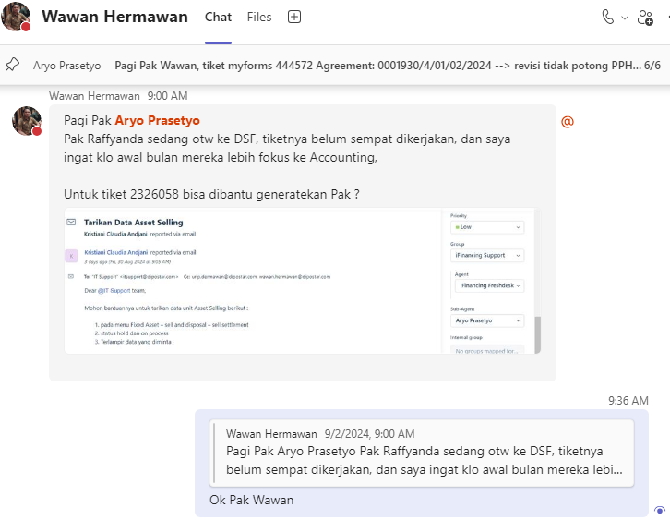

 | Tarikan Data Asset Selling

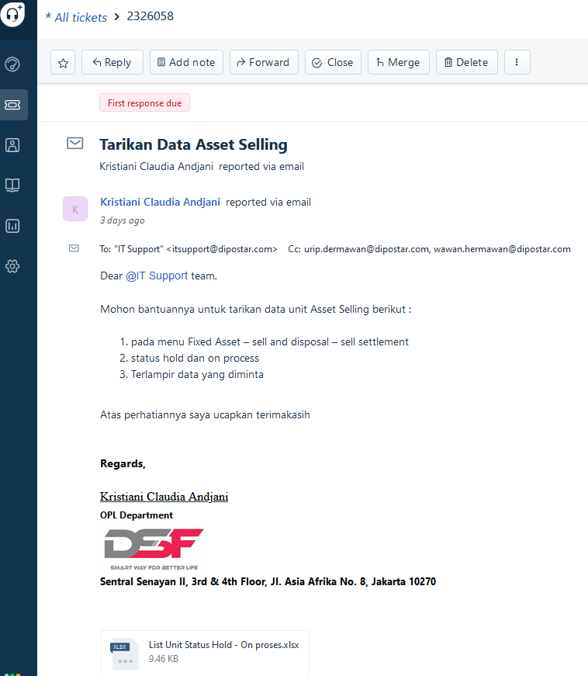

 | select --top 3
 | b.SALE_CODE,
 | '|' + b.ASSET_CODE,
 | b.BUYER_NAME,
 | c.TYPE_ITEM_NAME,
 | c.PLAT_NO,
 | c.BUILT_YEAR,
 | c.CHASSIS_NO,
 | c.ENGINE_NO,
 | a.SELL_TYPE,
...
 | from IFINAMS.dbo.SALE a
 | join IFINAMS.dbo.SALE_DETAIL b
 | on a.CODE = b.SALE_CODE
 | join IFINAMS.dbo.ASSET_VEHICLE c
 | on b.ASSET_CODE = c.ASSET_CODE
 | where b.SALE_DETAIL_STATUS in ('HOLD', 'ON PROCESS')

 | Aryo Prasetyo: Ini datanya ya Pak Atau mau sy reply & attach di tiketnya aja?
 | sent on September 2, 2024 10:08 AM

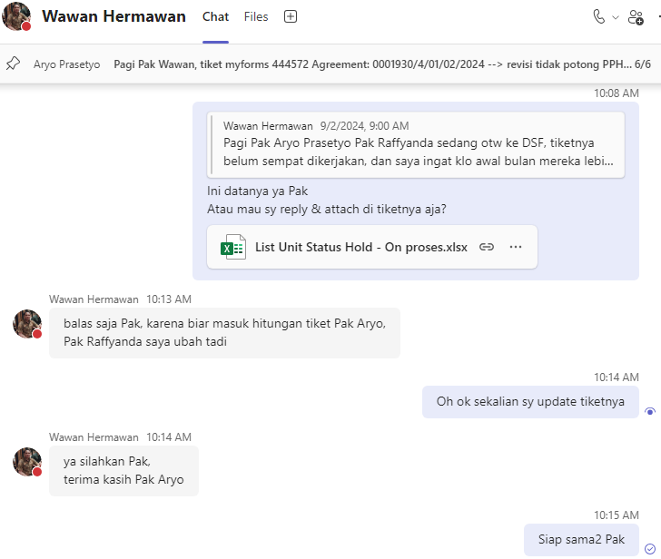

 | Tarikan Data Asset Selling

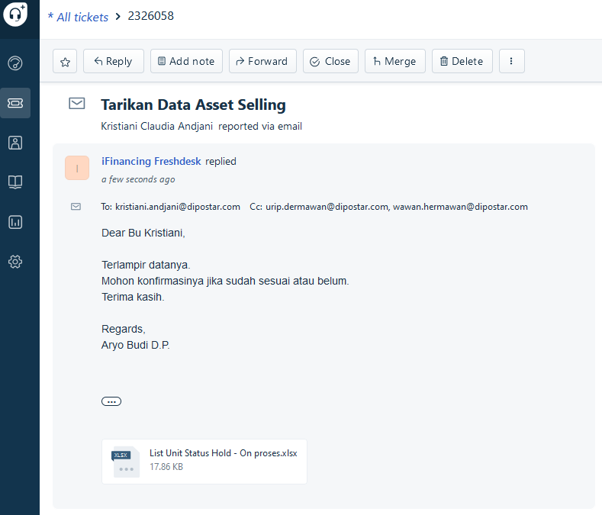

0 | 20240902MON-003
 | NPWP

 | Sabilla Pravita Larrasati (Guest): pak yg NPWP jumat kemarin sudah done lagi belum...
 | sent on Monday, September 2, 2024 09:50

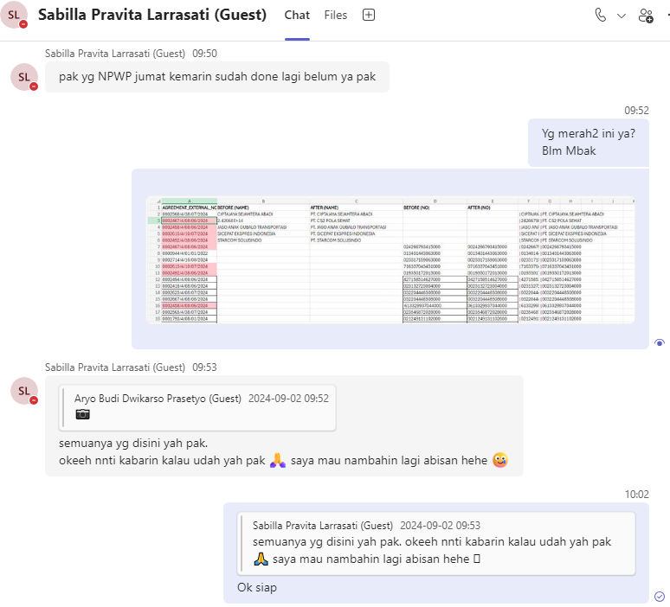

 | AGREEMENT_EXTERNAL_NO | BEFORE (NAME)
 | 0002568/4/38/07/2024 | CIPTAJAYA SEJAHTERA ABADI
 | 0002467/4/08/06/2024 | 2.43E+14
 | 0002458/4/08/06/2024 | JASO ANAK GUBALO TRANSPORTASI
 | 0002615/4/10/07/2024 | SICEPAT EKSPRES INDONESIA
 | 0002492/4/38/06/2024 | STARCOM SOLUSINDO

 | AGREEMENT_EXTERNAL_NO | BEFORE (NO)
 | 0002467/4/08/06/2024 | |024266793415000
 | 0000944/4/01/01/2022 | |013401443063000
...
 | Sabilla Pravita Larrasati (Guest): Data Lawan Transaksi Efaktur (Update).xlsx (sha...
 | sent on Monday, September 2, 2024 14:50

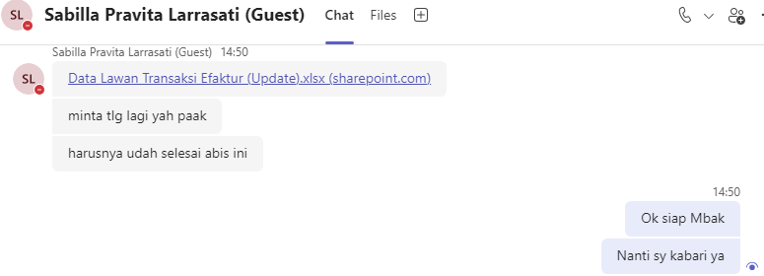

 | 0002642/4/38/07/2024 | CIPTAJAYA SEJAHTERA ABADI | PT. CIPTAJAYA SEJAHTERA ABADI
 | 0002620/4/08/07/2024 | KOBE BOGA UTAMA | PT. KOBE BOGA UTAMA

 | 0002642/4/38/07/2024 | |025450305003000 | |0025450305003000
 | 0002620/4/08/07/2024 | |71090788245100 | |0071090788245100
 | 0002526/4/10/06/2024 | |010715647055000 | |0010715647055000
 | 0002609/4/10/07/2024 | |013735303007000 | |0013735303007000
 | 0000828/4/08/11/2022 | |665320404731000 | |0665320404731000
 | 0000910/4/08/01/2023 | |665320404731000 | |0665320404731000
...
 | select top 3 |  |  | begin tran
 | from IFINAMS.dbo.SALE a |  |  | MOD_DATE = getdate(), -- 2024-08-30 11:26:53.390
 | join IFINAMS.dbo.SALE_DETAIL b |  |  | MOD_IP_ADDRESS = 'M-473236' -- 127.0.0.1
 | on a.CODE = b.SALE_CODE |  |  | where ID = 519;
 | join IFINAMS.dbo.ASSET_VEHICLE c
 | on b.ASSET_CODE = c.ASSET_CODE |  |  | rollback tran;
 | where a.CODE = '1000.SL.2408.00018' |  |  | --commit tran;
 | and c.PLAT_NO = 'B9140UDH'

 | BEFORE |  |  |  | AFTER

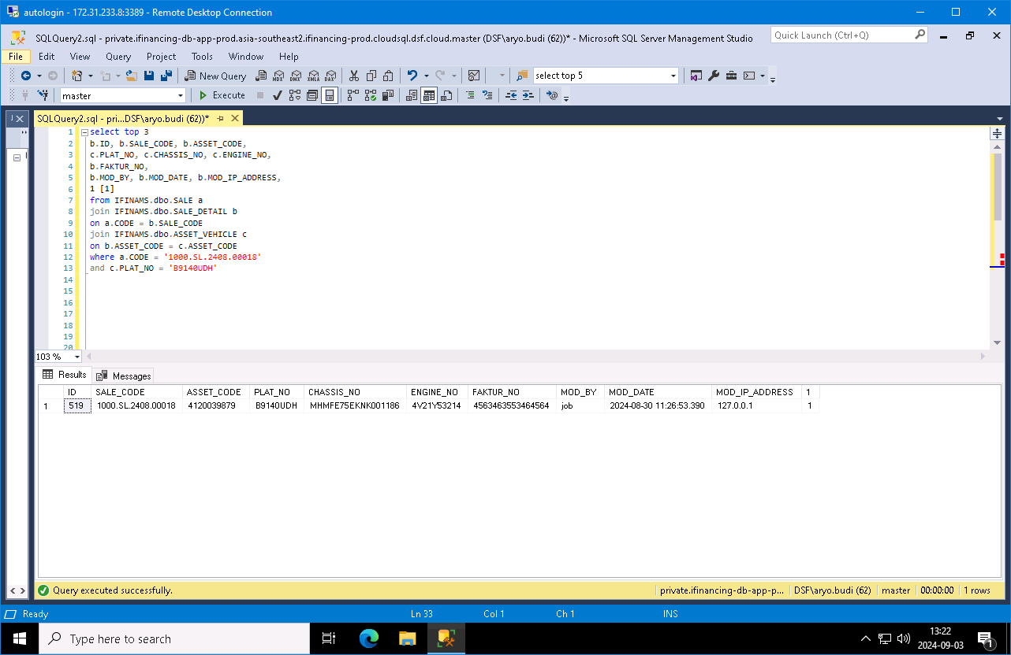


 | SALE_CODE
 | 1000.SL.2408.00018

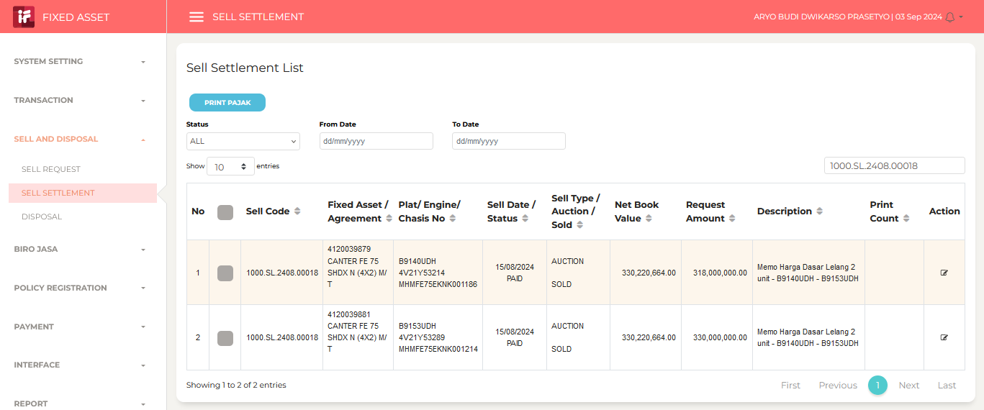

 | PLAT_NO
 | B9140UDH

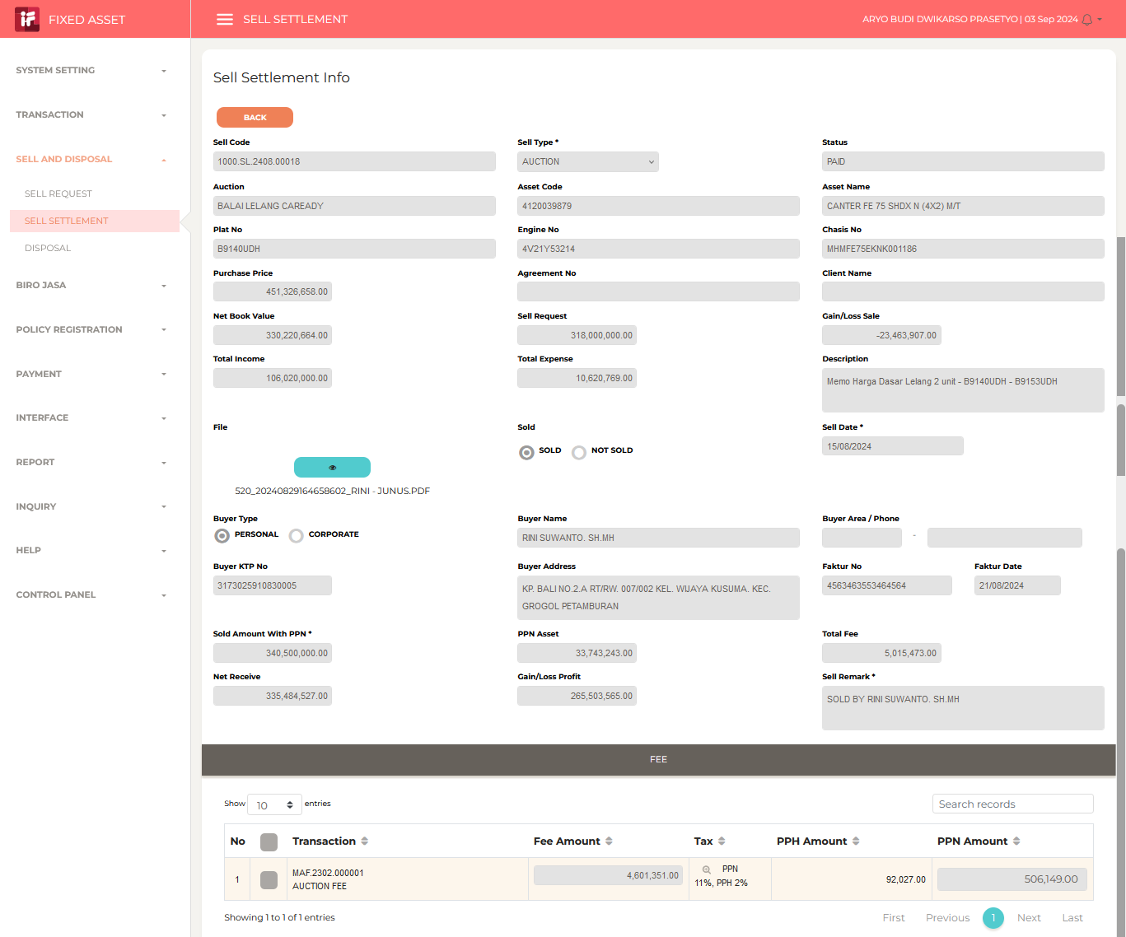
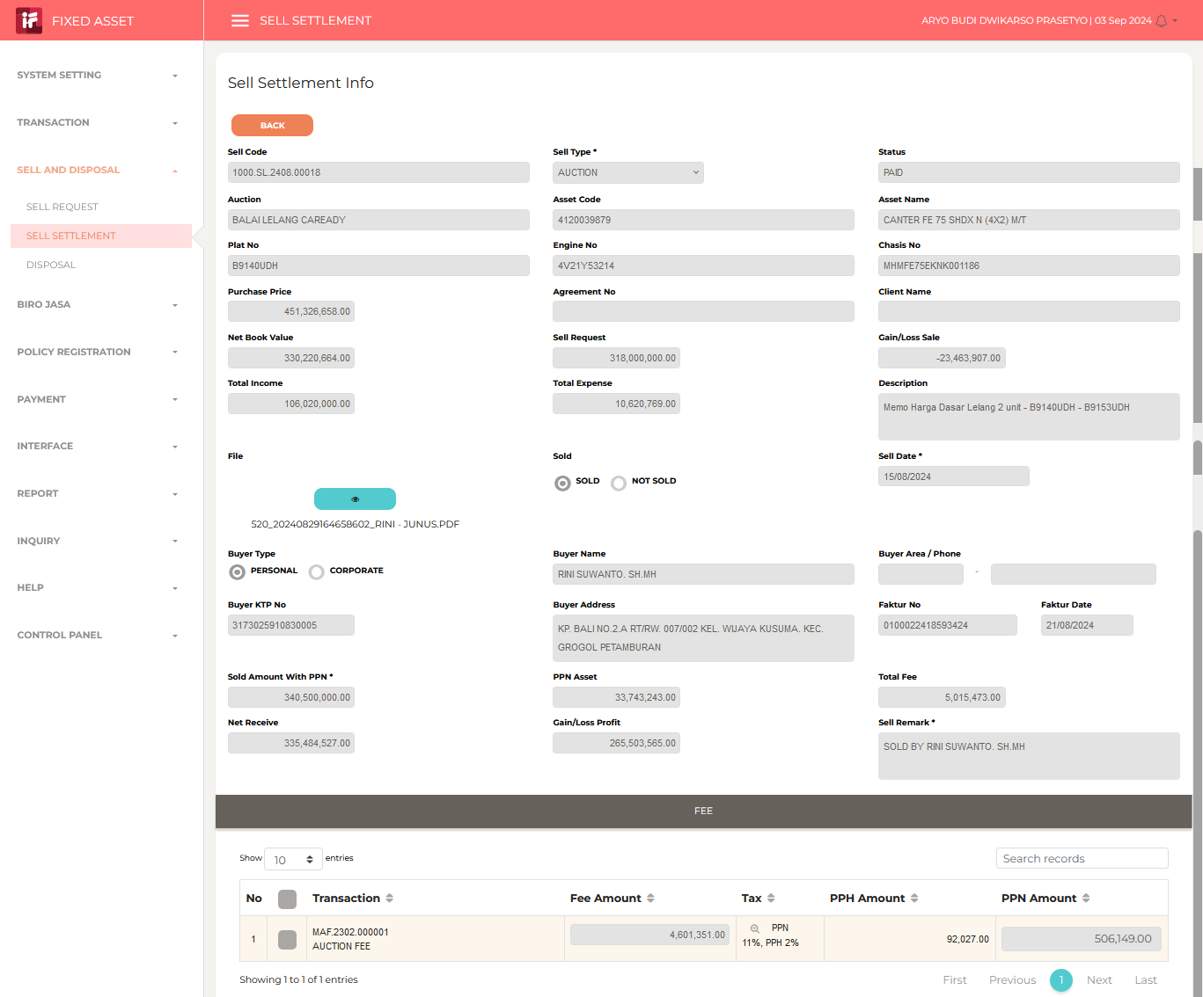

 | Kristiani Claudia Andjani: siang pak
 | sent on September 3, 2024 10:34 AM

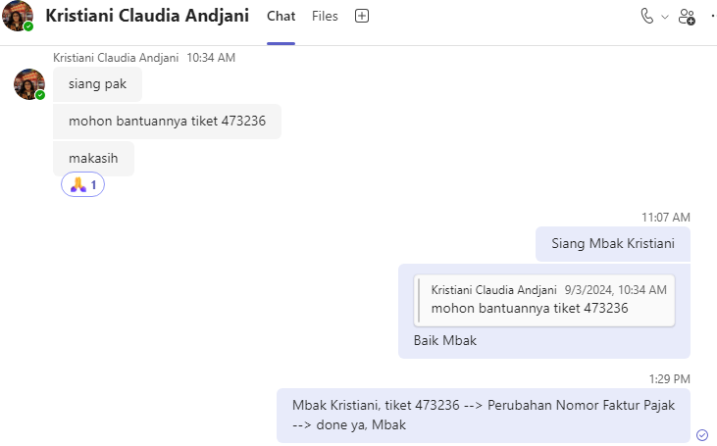
...

20240909MON
...
0 | 20240909MON-001
 | f-2326241
 | No Data Available
 | Kristiani Claudia Andjani
 | kristiani.andjani@dipostar.com

 | Sabilla Pravita Larrasati (Guest): pagi pak aryo
 | sent on Monday, September 9, 2024 07:57

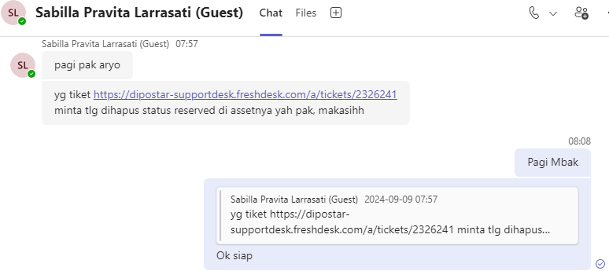

 | PLAT_NO
 | B2909SRM

 | status asset = stock/replacement | IFINAMS.dbo.ASSET.STATUS
 | fisical status = on customer/on hand/cancel | IFINAMS.dbo.ASSET.FISICAL_STATUS
 | rental status = in use/reversed | IFINAMS.dbo.ASSET.RENTAL_STATUS

 | select
 | --c.AGREEMENT_NO, d.AGREEMENT_STATUS,
 | --c.ASSET_NO, --a.ASSET_NO,
...
 | --left join IFINOPL.dbo.AGREEMENT_ASSET c
 | --on a.CODE = c.FA_CODE
 | --left join IFINOPL.dbo.AGREEMENT_MAIN d
 | --on c.AGREEMENT_NO = d.AGREEMENT_NO
 | left join IFINOPL.dbo.APPLICATION_ASSET e
 | on a.RENTAL_REFF_NO = e.ASSET_NO
 | where b.PLAT_NO = 'B2909SRM'

 | BEFORE |  | AFTER

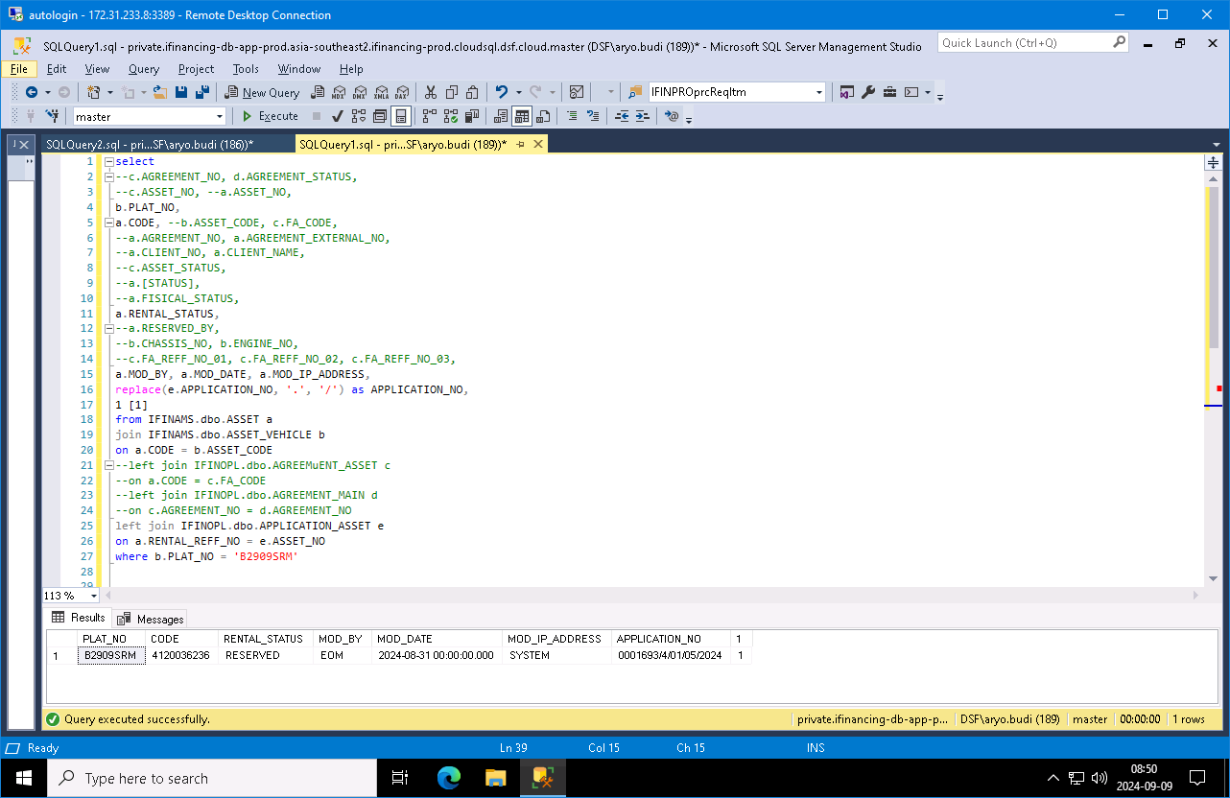


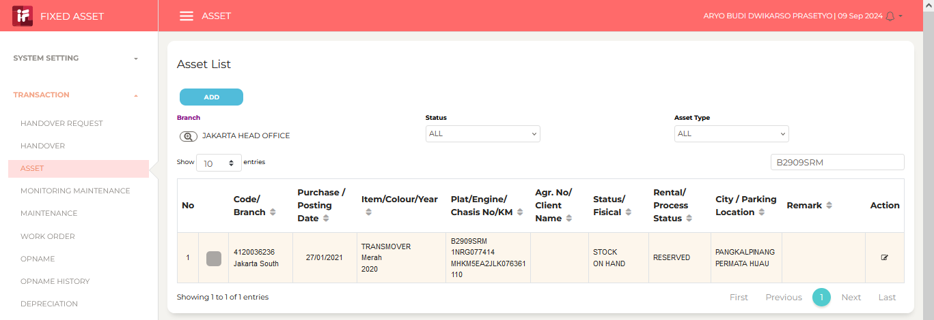
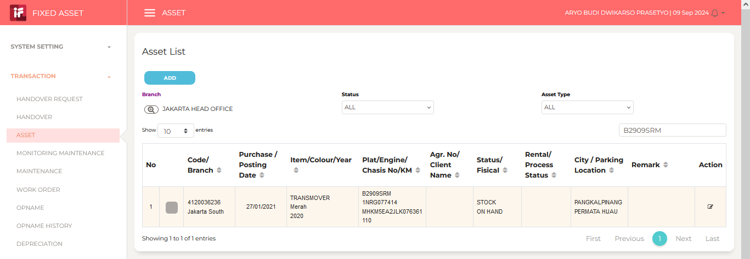

 | No Data Available

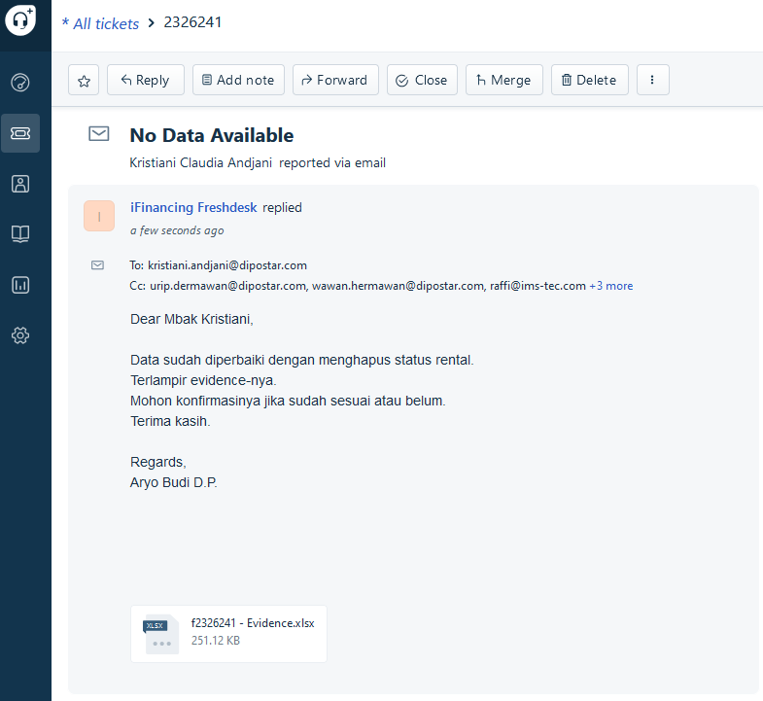
...

20240910TUE
...
0 | 20240909MON-007
 | f-2326638
 | [Urgent] Tempel Faktur Nusantara Ekspres Kilat 2662/4/01 & 2663/4/01 (Terbit Pertama Nilai Prorate)
 | Andreina Amidia
 | andreina.amidia@dipostar.com

 | Andreina Amidia: Pak aryo
 | sent on September 9, 2024 1:03 PM

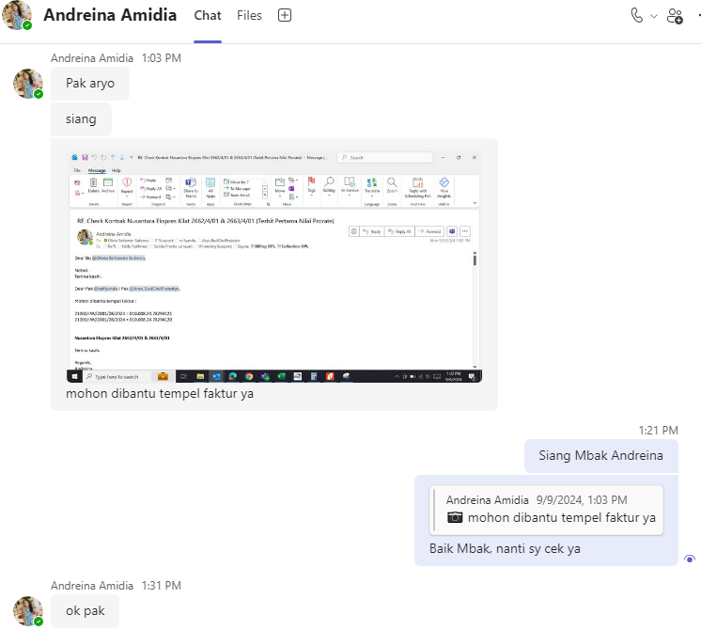
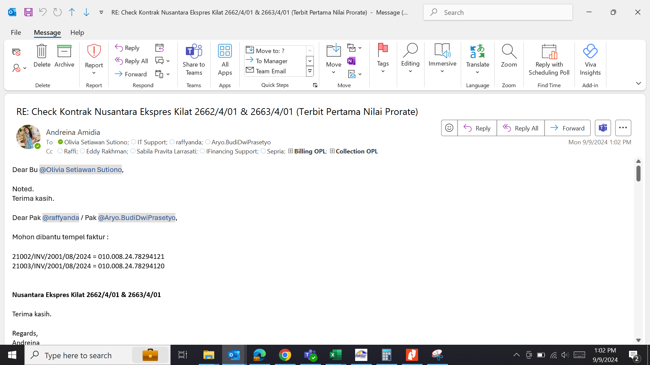

 | 20240910TUE

 | RE: RE: [Urgent] Tempel Faktur Nusantara Ekspres Kilat 2662/4/01 & 2663/4/01 (Terbit Pertama Nilai Prorate)

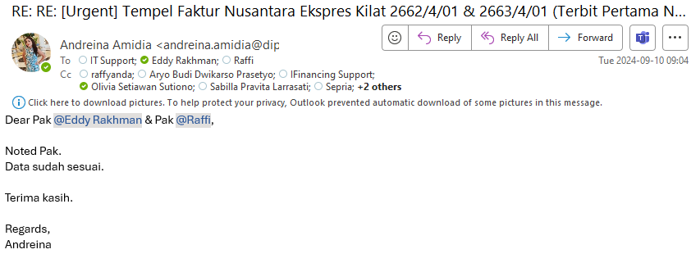
...
 | 20240911WED

 | Sabilla Pravita Larrasati (Guest): evidence 476832 done ya pak, tlg dibantu attach...
 | sent on Wednesday, September 11, 2024 10:20

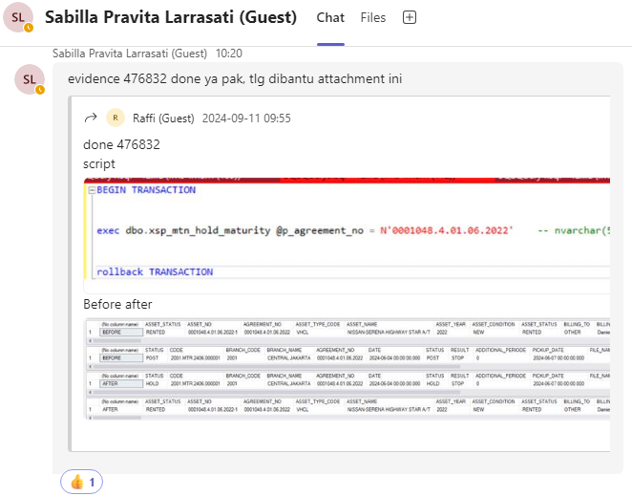

 | SCRIPT
...
 | update IFINOPL.dbo.REALIZATION
 | MOD_BY = 'Aryo Budi', -- A2632
 | MOD_DATE = getdate(), -- 2024-09-09 11:14:39.743
 | MOD_IP_ADDRESS = '' -- 163.53.185.26
 | where CODE = '2010.OPLRLZ.2409.000017';

 | rollback tran;
 | --commit tran;

 | BEFORE |  |  |  |  |  |  |  |  |  |  |  | AFTER

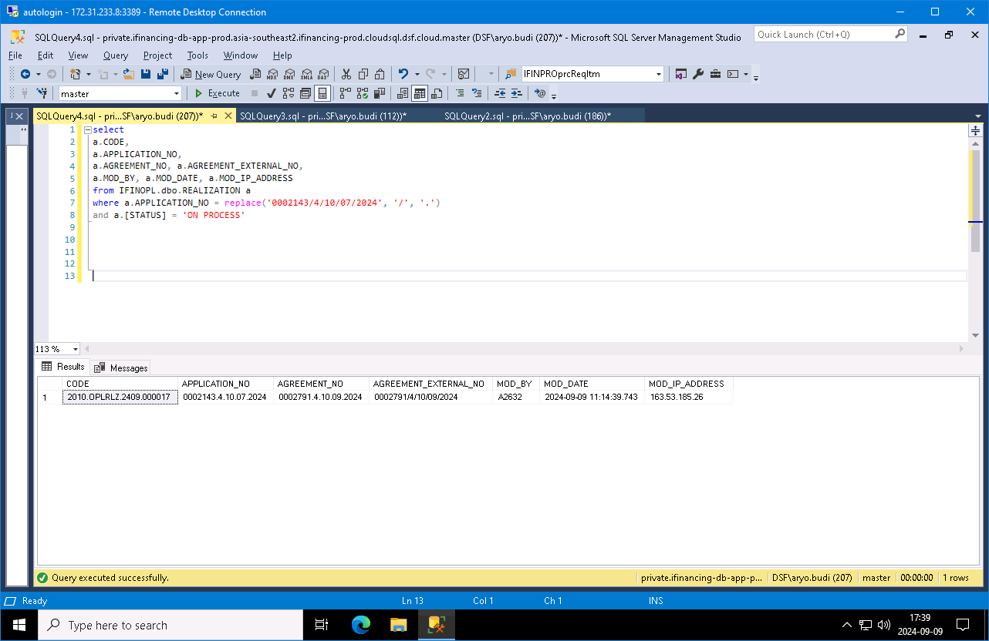


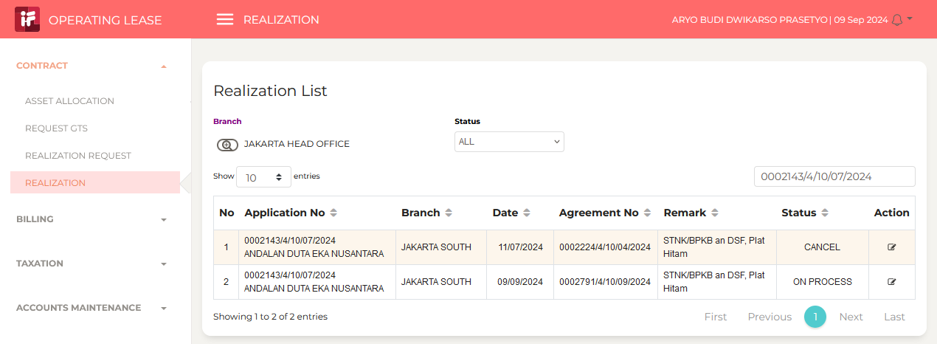

...
 | 1 [1] |  |  |  |  | update IFINAMS.dbo.ASSET_VEHICLE
 | and a.POLICY_STATUS = 'ACTIVE'
 | and a.POLICY_PAYMENT_STATUS = 'HOLD';

 | CODE | POLICY_NO | POLICY_EFF_DATE | POLICY_EXP_DATE | POLICY_STATUS |  | POLICY_PAYMENT_STATUS | MOD_BY | MOD_DATE | MOD_IP_ADDRESS | ASSET_CODE | TYPE_ITEM_NAME |  | PLAT_NO | COLOUR | MOD_BY | MOD_DATE | MOD_IP_ADDRESS
 | 1000.AMSMIG2.2401.000003 | A0912409-3 | 2023-10-17 | 2024-10-17 | ACTIVE |  | HOLD | MIG150124 | 2024-01-15 15:19:14 | MIGRASI | 4120040195 | CALYA TIPE G TRANSMISION M |  | D1529AKB | HITAM | MIGRASI | 2023-11-03 22:39:19 | MIGRASI | update IFINAMS.dbo.INSURANCE_POLICY_MAIN set POLICY_EFF_DATE = '2023-10-17', POLICY_EXP_DATE = '2024-10-17', MOD_BY = 'MIG150124', MOD_DATE = 'MIG150124', MOD_IP_ADDRESS = 'MIGRASI' where CODE = '1000.AMSMIG2.2401.000003';
 | 1000.AMSMIG2.2401.000004 | A0912409-4 | 2024-10-17 | 2025-10-17 | ACTIVE |  | HOLD | MIG150124 | 2024-01-15 15:19:14 | MIGRASI | 4120040195 | CALYA TIPE G TRANSMISION M |  | D1529AKB | HITAM | MIGRASI | 2023-11-03 22:39:19 | MIGRASI | update IFINAMS.dbo.INSURANCE_POLICY_MAIN set POLICY_EFF_DATE = '2024-10-17', POLICY_EXP_DATE = '2025-10-17', MOD_BY = 'MIG150124', MOD_DATE = 'MIG150124', MOD_IP_ADDRESS = 'MIGRASI' where CODE = '1000.AMSMIG2.2401.000004';
 | 1000.AMSMIG2.2401.000005 | A0912409-5 | 2025-10-17 | 2026-10-17 | ACTIVE |  | HOLD | MIG150124 | 2024-01-15 15:19:14 | MIGRASI | 4120040195 | CALYA TIPE G TRANSMISION M |  | D1529AKB | HITAM | MIGRASI | 2023-11-03 22:39:19 | MIGRASI | update IFINAMS.dbo.INSURANCE_POLICY_MAIN set POLICY_EFF_DATE = '2025-10-17', POLICY_EXP_DATE = '2026-10-17', MOD_BY = 'MIG150124', MOD_DATE = 'MIG150124', MOD_IP_ADDRESS = 'MIGRASI' where CODE = '1000.AMSMIG2.2401.000005';

 | BEFORE

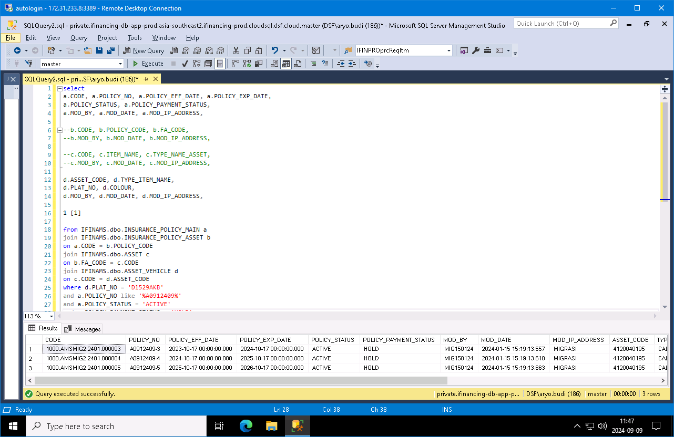
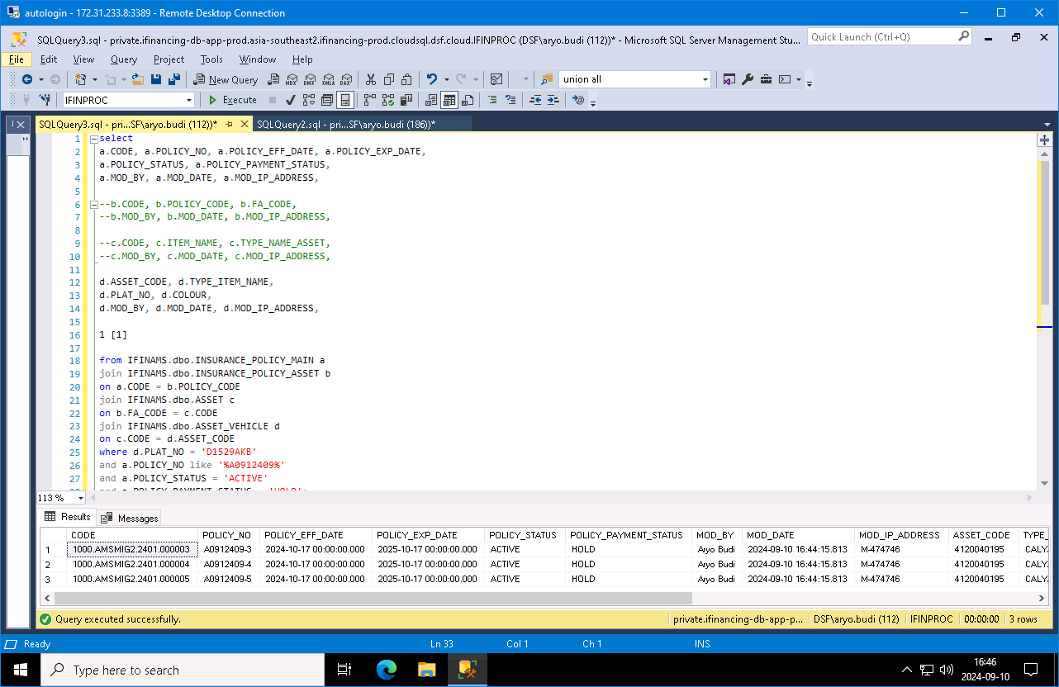

 | A0912409

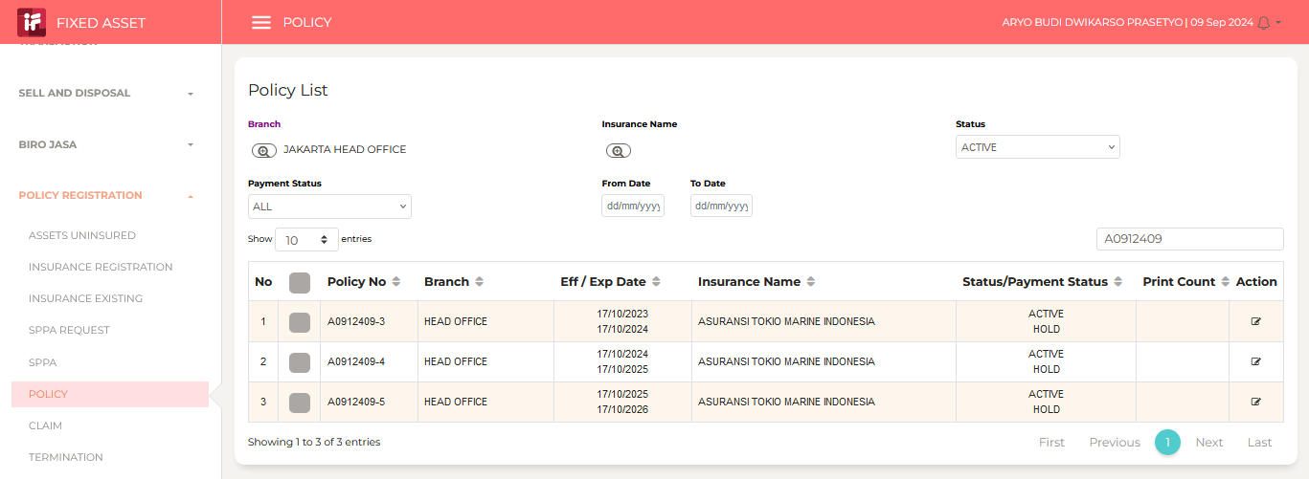
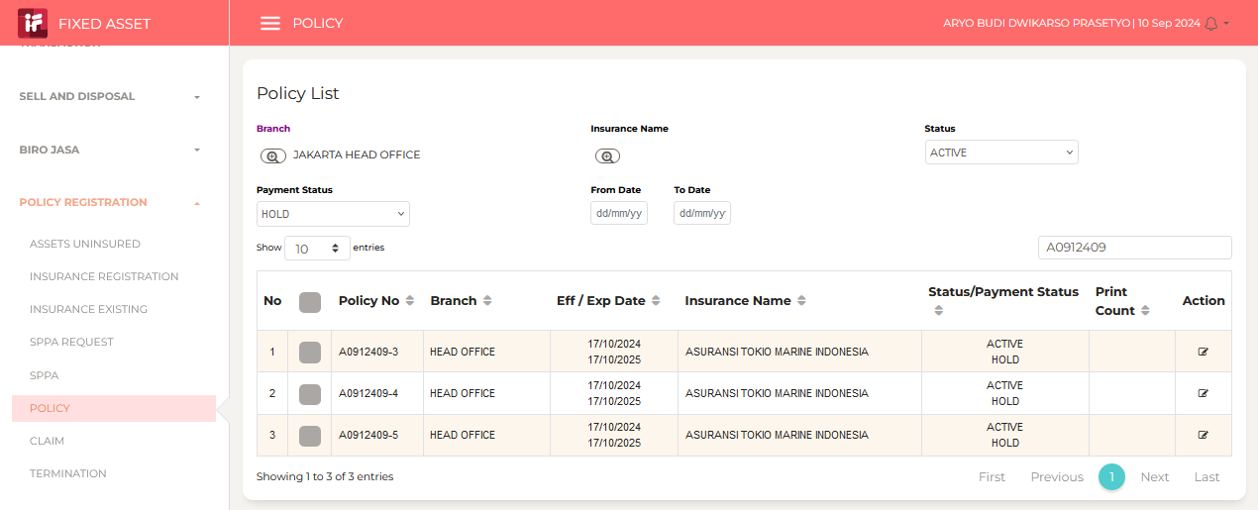

 | Aryo Prasetyo: Sore Pak Anton, tiket 474746 --> Revisi Warna Kendaraan dan Star...
 | sent on September 10, 2024 4:51 PM
...

